PVC Garland
PHOTOS | ITEM NO | DESCRIPTION | Color | Package | PCS/ CTN | CTNS | T.SETS | L | W | H | CBM (M3) | QTY/ 1*40HQ (68m³) | T.CBM (M3) | G.W/ctn (kgs) | T.W (kgs) | MOQ & Produce Time
 | MTTT-0325C001 | 270cm 220Tips,General Christmas PVC Garland as is , leaf size : (6cm+6cm)* 0.07mm*0.07mm | Green as is | 1pc/opp bag pack with hole Dia more than 3mm | 18 |  | 0 | 70 | 45 | 50 | 0.158 | 7771 | 0.000 |  | 0.000 | 300pcs
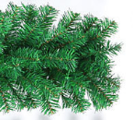 | MTTT-0325C002 | 270cm 260Tips,General Christmas PVC Garland as is , leaf size : (6cm+6cm)* 0.07mm*0.07mm | Green as is | 1pc/opp bag pack with hole Dia more than 3mm | 18 |  | 0 | 70 | 45 | 50 | 0.158 | 7771 | 0.000 |  | 0.000 | 300pcs
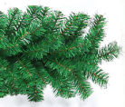 | MTTT-0325C003 | 270cm 300Tips,General Christmas PVC Garland as is , leaf size : (6cm+6cm)* 0.07mm*0.07mm | Green as is | 1pc/opp bag pack with hole Dia more than 3mm | 18 |  | 0 | 70 | 45 | 50 | 0.158 | 7771 | 0.000 |  | 0.000 | 300pcs
 | MTTT-0325C004 | 270cm*30cm white PVC garland,300tips,leaf size:7cm*0.1mm | White | 1pc/opp bag pack with hole Dia more than 3mm | 12 |  | 0 | 65 | 45 | 45 | 0.132 | 6199 | 0.000 |  | 0.000 | 300pcs
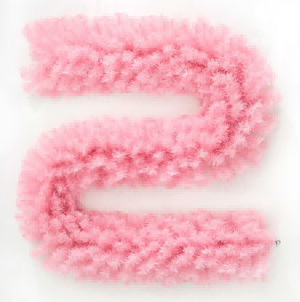 | MTTT-0325C005 | 270cm*30cm pink PVC garland,300tips,leaf size:7cm*0.1mm | Pink | 1pc/opp bag pack with hole Dia more than 3mm | 12 |  | 0 | 65 | 45 | 45 | 0.132 | 6199 | 0.000 |  | 0.000 | 300pcs
 | MTTT-0325C006 | 270cm*30cm red PVC garland,300tips,leaf size:7cm*0.1mm | Red | 1pc/opp bag pack with hole Dia more than 3mm | 12 |  | 0 | 65 | 45 | 45 | 0.132 | 6199 | 0.000 |  | 0.000 | 300pcs
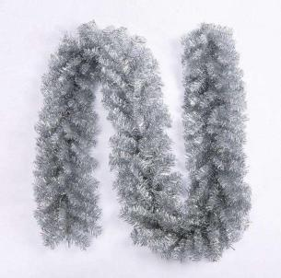 | MTTT-0325C007 | 270cm*25cm PET garland,300tips,leaf size:6cm*0.1mm | silver as is | 1pc/opp bag pack with hole Dia more than 3mm | 15 |  | 0 | 65 | 45 | 45 | 0.132 | 7749 | 0.000 |  | 0.000 | 300pcs
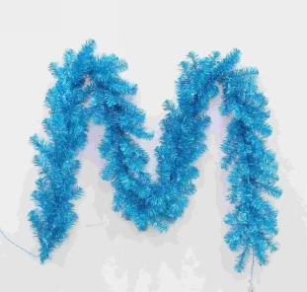 | MTTT-0325C008 | 270cm*25cm PET garland,300tips,leaf size:6cm*0.1mm | blue as is | 1pc/opp bag pack with hole Dia more than 3mm | 15 |  | 0 | 65 | 45 | 45 | 0.132 | 7749 | 0.000 |  | 0.000 | 300pcs
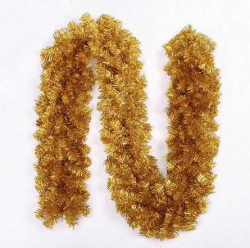 | MTTT-0325C009 | 270cm*25cm PET garland,300tips,leaf size:6cm*0.1mm | gold as is | 1pc/opp bag pack with hole Dia more than 3mm | 15 |  | 0 | 65 | 45 | 45 | 0.132 | 7749 | 0.000 |  | 0.000 | 300pcs
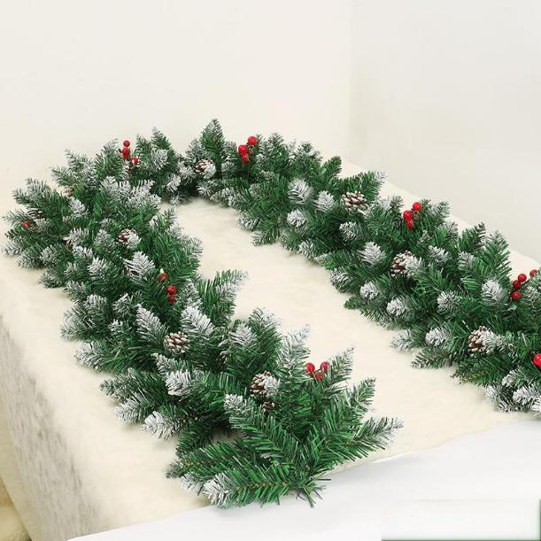 | MTTT-0325C010 | 200cm*25cm christmas garlands as photo show | as is | 1pc/opp bag pack with hole Dia more than 3mm | 10 |  | 0 | 55 | 32 | 50 | 0.088 | 7727 | 0.000 |  | 0.000 | 200PCS
 | MTTT-0325C011 | 270cm*25cm christmas garlands as photo show | as is | 1pc/opp bag pack with hole Dia more than 3mm | 8 |  | 0 | 55 | 32 | 55 | 0.097 | 5620 | 0.000 |  | 0.000 | 200PCS
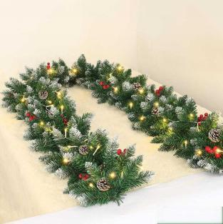 | MTTT-0325C012 | 200cm*25cm christmas garlands with light as photo show | as is | 1pc/opp bag pack with hole Dia more than 3mm | 10 |  | 0 | 55 | 32 | 50 | 0.088 | 7727 | 0.000 |  | 0.000 | 200PCS
 | MTTT-0325C013 | 270cm*25cm christmas garlands with light as photo show | as is | 1pc/opp bag pack with hole Dia more than 3mm | 8 |  | 0 | 55 | 32 | 55 | 0.097 | 5620 | 0.000 |  | 0.000 | 200PCS
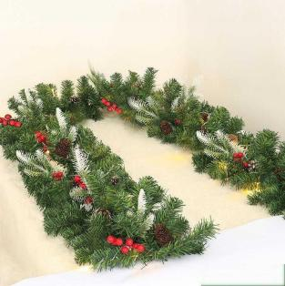 | MTTT-0325C014 | 200cm*25cm christmas garlands as photo show | as is | 1pc/opp bag pack with hole Dia more than 3mm | 10 |  | 0 | 55 | 32 | 50 | 0.088 | 7727 | 0.000 |  | 0.000 | 200PCS
 | MTTT-0325C015 | 270cm*25cm christmas garlands as photo show | as is | 1pc/opp bag pack with hole Dia more than 3mm | 8 |  | 0 | 55 | 32 | 55 | 0.097 | 5620 | 0.000 |  | 0.000 | 200PCS
 | MTTT-0325C016 | 200cm*25cm christmas garlands with light as photo show | as is | 1pc/opp bag pack with hole Dia more than 3mm | 10 |  | 0 | 55 | 32 | 50 | 0.088 | 7727 | 0.000 |  | 0.000 | 200PCS
 | MTTT-0325C017 | 270cm*25cm christmas garlands with light as photo show | as is | 1pc/opp bag pack with hole Dia more than 3mm | 8 |  | 0 | 55 | 32 | 55 | 0.097 | 5620 | 0.000 |  | 0.000 | 200PCS
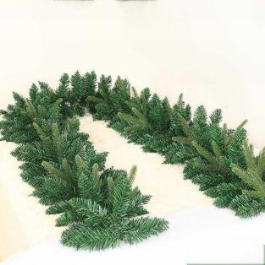 | MTTT-0325C018 | 200cm*25cm christmas garlands as photo show | as is | 1pc/opp bag pack with hole Dia more than 3mm | 10 |  | 0 | 55 | 32 | 50 | 0.088 | 7727 | 0.000 |  | 0.000 | 200PCS
 | MTTT-0325C019 | 270cm*25cm christmas garlands as photo show | as is | 1pc/opp bag pack with hole Dia more than 3mm | 8 |  | 0 | 55 | 32 | 55 | 0.097 | 5620 | 0.000 |  | 0.000 | 200PCS
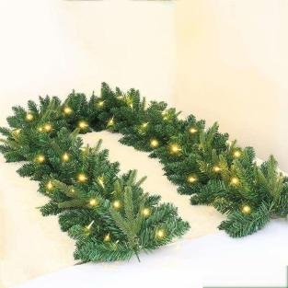 | MTTT-0325C020 | 200cm*25cm christmas garlands with light as photo show | as is | 1pc/opp bag pack with hole Dia more than 3mm | 10 |  | 0 | 55 | 32 | 50 | 0.088 | 7727 | 0.000 |  | 0.000 | 200PCS
 | MTTT-0325C021 | 270cm*25cm christmas garlands with light as photo show | as is | 1pc/opp bag pack with hole Dia more than 3mm | 8 |  | 0 | 55 | 32 | 55 | 0.097 | 5620 | 0.000 |  | 0.000 | 200PCS
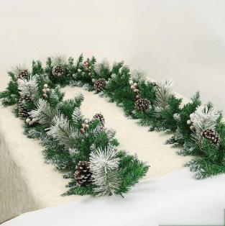 | MTTT-0325C022 | 200cm*25cm christmas garlands as photo show | as is | 1pc/opp bag pack with hole Dia more than 3mm | 10 |  | 0 | 55 | 32 | 50 | 0.088 | 7727 | 0.000 |  | 0.000 | 200PCS
 | MTTT-0325C023 | 270cm*25cm christmas garlands as photo show | as is | 1pc/opp bag pack with hole Dia more than 3mm | 8 |  | 0 | 55 | 32 | 55 | 0.097 | 5620 | 0.000 |  | 0.000 | 200PCS
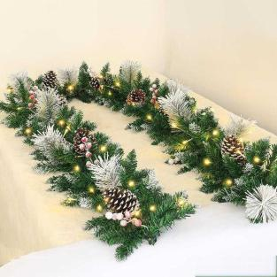 | MTTT-0325C024 | 200cm*25cm christmas garlands with light as photo show | as is | 1pc/opp bag pack with hole Dia more than 3mm | 10 |  | 0 | 55 | 32 | 50 | 0.088 | 7727 | 0.000 |  | 0.000 | 200PCS
 | MTTT-0325C025 | 270cm*25cm christmas garlands with light as photo show | as is | 1pc/opp bag pack with hole Dia more than 3mm | 8 |  | 0 | 55 | 32 | 55 | 0.097 | 5620 | 0.000 |  | 0.000 | 200PCS
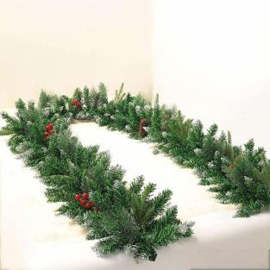 | MTTT-0325C026 | 200cm*25cm christmas garlands as photo show | as is | 1pc/opp bag pack with hole Dia more than 3mm | 10 |  | 0 | 55 | 32 | 50 | 0.088 | 7727 | 0.000 |  | 0.000 | 200PCS
 | MTTT-0325C027 | 270cm*25cm christmas garlands as photo show | as is | 1pc/opp bag pack with hole Dia more than 3mm | 8 |  | 0 | 55 | 32 | 55 | 0.097 | 5620 | 0.000 |  | 0.000 | 200PCS
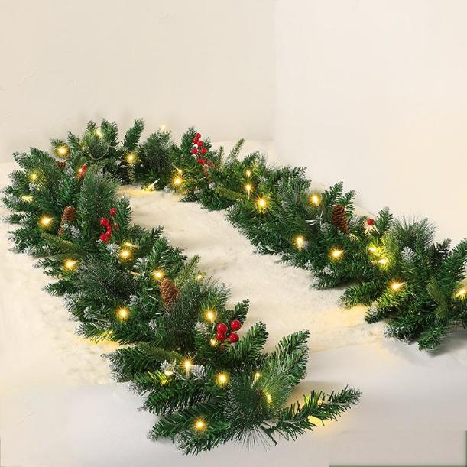 | MTTT-0325C028 | 200cm*25cm christmas garlands with light as photo show | as is | 1pc/opp bag pack with hole Dia more than 3mm | 10 |  | 0 | 55 | 32 | 50 | 0.088 | 7727 | 0.000 |  | 0.000 | 200PCS
 | MTTT-0325C029 | 270cm*25cm christmas garlands with light as photo show | as is | 1pc/opp bag pack with hole Dia more than 3mm | 8 |  | 0 | 55 | 32 | 55 | 0.097 | 5620 | 0.000 |  | 0.000 | 200PCS
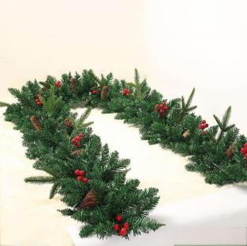 | MTTT-0325C030 | 200cm*25cm christmas garlands as photo show | as is | 1pc/opp bag pack with hole Dia more than 3mm | 10 |  | 0 | 55 | 32 | 50 | 0.088 | 7727 | 0.000 |  | 0.000 | 200PCS
 | MTTT-0325C031 | 270cm*25cm christmas garlands as photo show | as is | 1pc/opp bag pack with hole Dia more than 3mm | 8 |  | 0 | 55 | 32 | 55 | 0.097 | 5620 | 0.000 |  | 0.000 | 200PCS
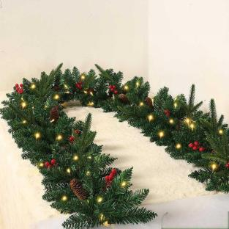 | MTTT-0325C032 | 200cm*25cm christmas garlands with light as photo show | as is | 1pc/opp bag pack with hole Dia more than 3mm | 10 |  | 0 | 55 | 32 | 50 | 0.088 | 7727 | 0.000 |  | 0.000 | 200PCS
 | MTTT-0325C033 | 270cm*25cm christmas garlands with light as photo show | as is | 1pc/opp bag pack with hole Dia more than 3mm | 8 |  | 0 | 55 | 32 | 55 | 0.097 | 5620 | 0.000 |  | 0.000 | 200PCS
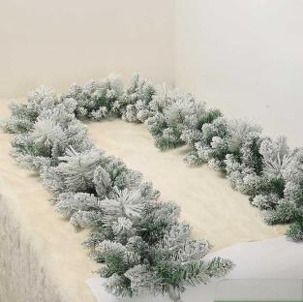 | MTTT-0325C034 | 200cm*25cm christmas garlands as photo show | as is | 1pc/opp bag pack with hole Dia more than 3mm | 8 |  | 0 | 55 | 32 | 50 | 0.088 | 6182 | 0.000 |  | 0.000 | 200PCS
 | MTTT-0325C035 | 270cm*25cm christmas garlands as photo show | as is | 1pc/opp bag pack with hole Dia more than 3mm | 6 |  | 0 | 55 | 32 | 55 | 0.097 | 4215 | 0.000 |  | 0.000 | 200PCS
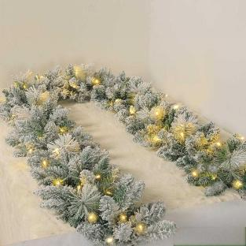 | MTTT-0325C036 | 200cm*25cm christmas garlands with light as photo show | as is | 1pc/opp bag pack with hole Dia more than 3mm | 8 |  | 0 | 55 | 32 | 50 | 0.088 | 6182 | 0.000 |  | 0.000 | 200PCS
 | MTTT-0325C037 | 270cm*25cm christmas garlands with light as photo show | as is | 1pc/opp bag pack with hole Dia more than 3mm | 6 |  | 0 | 55 | 32 | 55 | 0.097 | 4215 | 0.000 |  | 0.000 | 200PCS
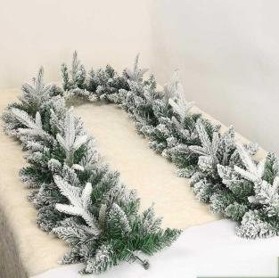 | MTTT-0325C038 | 200cm*25cm christmas garlands as photo show | as is | 1pc/opp bag pack with hole Dia more than 3mm | 8 |  | 0 | 55 | 32 | 50 | 0.088 | 6182 | 0.000 |  | 0.000 | 200PCS
 | MTTT-0325C039 | 270cm*25cm christmas garlands as photo show | as is | 1pc/opp bag pack with hole Dia more than 3mm | 6 |  | 0 | 55 | 32 | 55 | 0.097 | 4215 | 0.000 |  | 0.000 | 200PCS
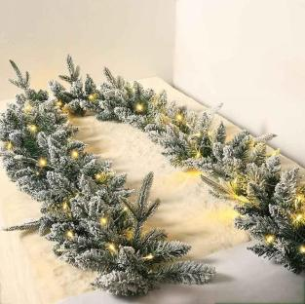 | MTTT-0325C040 | 200cm*25cm christmas garlands with light as photo show | as is | 1pc/opp bag pack with hole Dia more than 3mm | 8 |  | 0 | 55 | 32 | 50 | 0.088 | 6182 | 0.000 |  | 0.000 | 200PCS
 | MTTT-0325C041 | 270cm*25cm christmas garlands with light as photo show | as is | 1pc/opp bag pack with hole Dia more than 3mm | 6 |  | 0 | 55 | 32 | 55 | 0.097 | 4215 | 0.000 |  | 0.000 | 200PCS
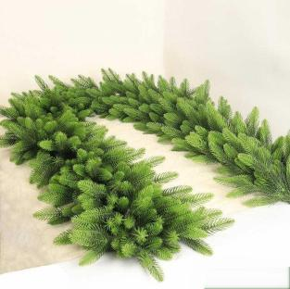 | MTTT-0325C042 | 200cm*25cm christmas garlands as photo show | as is | 1pc/opp bag pack with hole Dia more than 3mm | 10 |  | 0 | 55 | 32 | 50 | 0.088 | 7727 | 0.000 |  | 0.000 | 200PCS
 | MTTT-0325C043 | 270cm*25cm christmas garlands as photo show | as is | 1pc/opp bag pack with hole Dia more than 3mm | 8 |  | 0 | 55 | 32 | 55 | 0.097 | 5620 | 0.000 |  | 0.000 | 200PCS
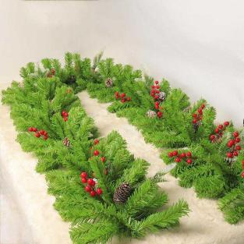 | MTTT-0325C044 | 200cm*25cm christmas garlands as photo show | as is | 1pc/opp bag pack with hole Dia more than 3mm | 10 |  | 0 | 55 | 32 | 50 | 0.088 | 7727 | 0.000 |  | 0.000 | 200PCS
 | MTTT-0325C045 | 270cm*25cm christmas garlands as photo show | as is | 1pc/opp bag pack with hole Dia more than 3mm | 8 |  | 0 | 55 | 32 | 55 | 0.097 | 5620 | 0.000 |  | 0.000 | 200PCS
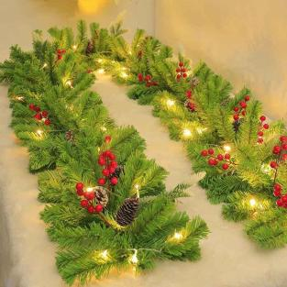 | MTTT-0325C046 | 200cm*25cm christmas garlands with light as photo show | as is | 1pc/opp bag pack with hole Dia more than 3mm | 10 |  | 0 | 55 | 32 | 50 | 0.088 | 7727 | 0.000 |  | 0.000 | 200PCS
 | MTTT-0325C047 | 270cm*25cm christmas garlands with light as photo show | as is | 1pc/opp bag pack with hole Dia more than 3mm | 8 |  | 0 | 55 | 32 | 55 | 0.097 | 5620 | 0.000 |  | 0.000 | 200PCS
 | MTTT-0325C048 | 270cm，240T PVCchristmas garlands as photo show | as is | 1pc/opp bag pack with hole Dia more than 3mm | 10 |  | 0 | 55 | 32 | 50 | 0.088 | 7727 | 0.000 |  | 0.000 | 200PCS
 | MTTT-0325C049 | 270cm，280T PVC christmas garlands as photo show | as is | 1pc/opp bag pack with hole Dia more than 3mm | 8 |  | 0 | 55 | 32 | 55 | 0.097 | 5620 | 0.000 |  | 0.000 | 200PCS
 | MTTT-0325C050 | 270cm*25cm christmas garlands with big pine cone as photo show | as is | 1pc/opp bag pack with hole Dia more than 3mm | 10 |  | 0 | 55 | 32 | 50 | 0.088 | 7727 | 0.000 |  | 0.000 | 200PCS
 | MTTT-0325C051 | 270cm*25cm christmas garlands with big pine cone and light as photo show | as is | 1pc/opp bag pack with hole Dia more than 3mm | 8 |  | 0 | 55 | 32 | 55 | 0.097 | 5620 | 0.000 |  | 0.000 | 200PCS
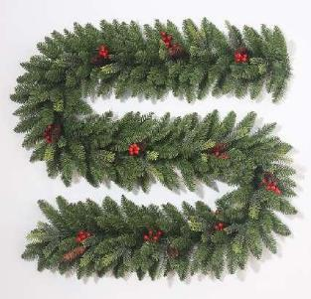 新品 藤条 部分 | MTTT-0325C052 | 270cm Pine shape PVC Christmas Garland with red berry and pine cone as is | Green as is | 1pc/opp bag pack with hole Dia more than 3mm | 12 |  | 0 | 65 | 45 | 50 | 0.146 | 5579 | 0.000 |  | 0.000 | 200PCS
 新品 藤条 部分 | MTTT-0325C053 | 270cm Pine shape PVC Christmas Garland as is | Green as is | 1pc/opp bag pack with hole Dia more than 3mm | 12 |  | 0 | 65 | 45 | 50 | 0.146 | 5579 | 0.000 |  | 0.000 | 200PCS
 新品 藤条 部分 | MTTT-0325C054 | 270cm Pine needle Christmas Garland with red berry and pine cone as is | Green as is | 1pc/opp bag pack with hole Dia more than 3mm | 12 |  | 0 | 65 | 45 | 50 | 0.146 | 5579 | 0.000 |  | 0.000 | 200PCS
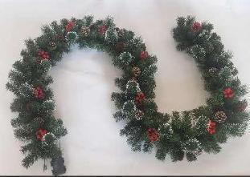 新品 藤条 部分 | MTTT-0325C055 | 270cm Pine needle Christmas Garland with red berry and pine cone as is | Green as is | 1pc/opp bag pack with hole Dia more than 3mm | 12 |  | 0 | 65 | 45 | 50 | 0.146 | 5579 | 0.000 |  | 0.000 | 200PCS
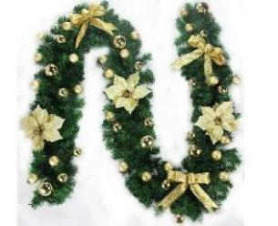 新品 藤条 部分 | MTTT-0325C056 | 270cm PVC Christmas Garland with gold balls, gold bow and gold flower as is | Green as is | 1pc/opp bag pack with hole Dia more than 3mm | 12 |  | 0 | 60 | 45 | 50 | 0.135 | 6044 | 0.000 |  | 0.000 | 200PCS
 新品 藤条 部分 | MTTT-0325C057 | 270cm Luxury PVC Christmas Wreath as is | Green +red as is | 1pc/opp bag pack with hole Dia more than 3mm | 12 |  | 0 | 60 | 45 | 50 | 0.135 | 6044 | 0.000 |  | 0.000 | 200PCS
 新品 藤条 部分 | MTTT-0325C058 | 270cm Luxury PVC Christmas Wreath as is | Green + gold as is | 1pc/opp bag pack with hole Dia more than 3mm | 12 |  | 0 | 60 | 45 | 50 | 0.135 | 6044 | 0.000 |  | 0.000 | 200PCS
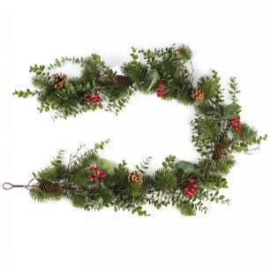 新品 藤条 部分 | MTTT-0325C059 | 150*30*8cm Decorated PE Christmas garland as is , 10cm long pine cone 3pcs, 6cm round pine cone 3pcs, mini red berry 5sets | Green as is | 1pc/opp bag pack with hole Dia more than 3mm | 8 |  | 0 | 72 | 50 | 31 | 0.112 | 4875 | 0.000 |  | 0.000 | 200PCS
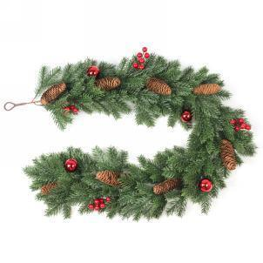 新品 藤条 部分 | MTTT-0325C060 | 120*20*12cm PE Christmas Garland ass is , with 10cm long pine cone 8pcs, 5cm shiny red ball 4pcs, mini red berry 7 sets | Green as is | 1pc/opp bag pack with hole Dia more than 3mm | 20 |  | 0 | 61 | 46 | 49 | 0.137 | 9891 | 0.000 |  | 0.000 | 200PCS
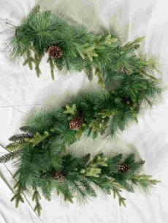 | MTTT-0325C061 | 2.7m *30cm round width PET pine needle ,PE and PVC mixed Christmas Garland with big pine cone 5sets , | as is | 1pc/opp bag pack with hole Dia more than 3mm | 8 |  | 0 | 70 | 38 | 52 | 0.138 | 3933 | 0.000 |  | 0.000 | 200PCS
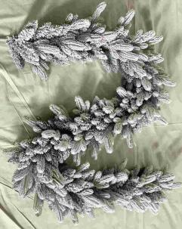 | MTTT-0325C062 | 200*35cm Christmas garlands with snow flocked as photo show | as is | 1pc/opp bag pack with hole Dia more than 3mm | 6 |  | 0 | 55 | 32 | 65 | 0.114 | 3566 | 0.000 |  | 0.000 | 200PCS
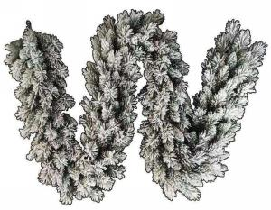 | MTTT-0325C063 | 200*30cm Christmas garlands with snow flocked as photo show | as is | 1pc/opp bag pack with hole Dia more than 3mm | 10 |  | 0 | 55 | 32 | 66 | 0.116 | 5854 | 0.000 |  | 0.000 | 200PCS
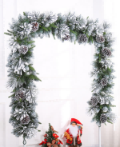 | MTTT-0325C064 | 200*30cm Christmas garlands with snow flocked as photo show | as is | 1pc/opp bag pack with hole Dia more than 3mm | 10 |  | 0 | 55 | 32 | 52 | 0.092 | 7430 | 0.000 |  | 0.000 | 200PCS
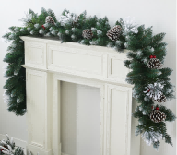 | MTTT-0325C065 | 200*30cm Christmas garlands as photo show | as is | 1pc/opp bag pack with hole Dia more than 3mm | 6 |  | 0 | 55 | 32 | 50 | 0.088 | 4636 | 0.000 |  | 0.000 | 200PCS
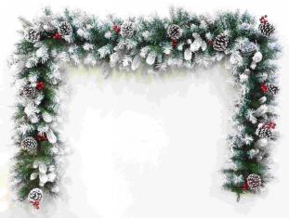 | MTTT-0325C066 | 200*30cm Christmas garlands as photo show | as is | 1pc/opp bag pack with hole Dia more than 3mm | 6 |  | 0 | 55 | 32 | 50 | 0.088 | 4636 | 0.000 |  | 0.000 | 200PCS
 | MTTT-0325C067 | 200*30cm Christmas garlands as photo show | as is | 1pc/opp bag pack with hole Dia more than 3mm | 10 |  | 0 | 55 | 32 | 50 | 0.088 | 7727 | 0.000 |  | 0.000 | 200PCS
 | MTTT-0325C068 | 200*30cm Christmas garlands as photo show | as is | 1pc/opp bag pack with hole Dia more than 3mm | 6 |  | 0 | 55 | 32 | 50 | 0.088 | 4636 | 0.000 |  | 0.000 | 200PCS
 | MTTT-0325C069 | 200*30cm Christmas garlands with light as photo show | as is | 1pc/opp bag pack with hole Dia more than 3mm | 10 |  | 0 | 55 | 32 | 50 | 0.088 | 7727 | 0.000 |  | 0.000 | 200PCS
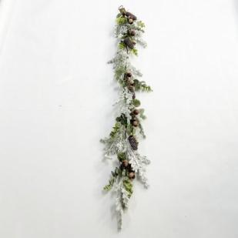 | MTTT-0325C070 | 180cm christmas decorated garland as is | as is | 1pc/opp bag pack with hole Dia more than 3mm | 24 |  | 0 | 25 | 50 | 50 | 0.063 | 26112 | 0.000 |  | 0.000 | 240PCS
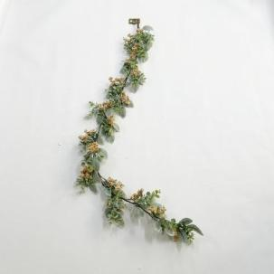 | MTTT-0325C071 | 180cm christmas decorated garland as is | as is | 1pc/opp bag pack with hole Dia more than 3mm | 24 |  | 0 | 75 | 50 | 50 | 0.188 | 8704 | 0.000 |  | 0.000 | 240PCS
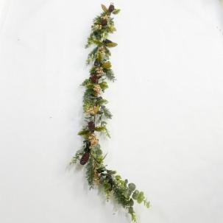 | MTTT-0325C072 | 180cm christmas decorated garland as is | as is | 1pc/opp bag pack with hole Dia more than 3mm | 24 |  | 0 | 75 | 50 | 50 | 0.188 | 8704 | 0.000 |  | 0.000 | 240PCS
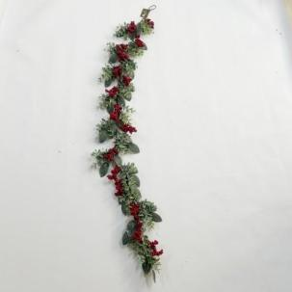 | MTTT-0325C073 | 180cm christmas decorated garland as is | as is | 1pc/opp bag pack with hole Dia more than 3mm | 24 |  | 0 | 75 | 50 | 50 | 0.188 | 8704 | 0.000 |  | 0.000 | 240PCS
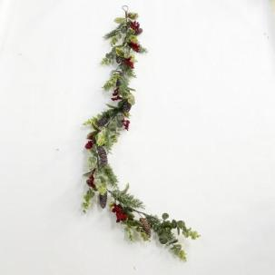 | MTTT-0325C074 | 180cm christmas decorated garland as is | as is | 1pc/opp bag pack with hole Dia more than 3mm | 29 |  | 0 | 75 | 50 | 50 | 0.188 | 10517 | 0.000 |  | 0.000 | 240PCS
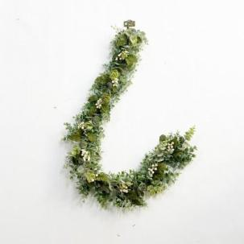 | MTTT-0325C075 | 180cm christmas decorated garland as is | as is | 1pc/opp bag pack with hole Dia more than 3mm | 24 |  | 0 | 75 | 50 | 50 | 0.188 | 8704 | 0.000 |  | 0.000 | 240PCS
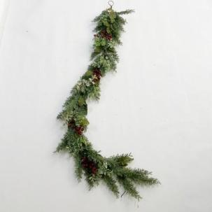 | MTTT-0325C076 | 180cm christmas decorated garland as is | as is | 1pc/opp bag pack with hole Dia more than 3mm | 24 |  | 0 | 75 | 50 | 50 | 0.188 | 8704 | 0.000 |  | 0.000 | 240PCS
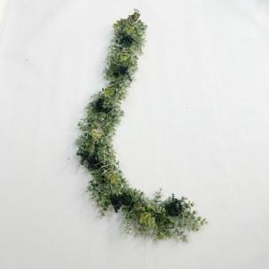 | MTTT-0325C077 | 180cm christmas decorated garland as is | as is | 1pc/opp bag pack with hole Dia more than 3mm | 24 |  | 0 | 75 | 50 | 50 | 0.188 | 8704 | 0.000 |  | 0.000 | 240PCS
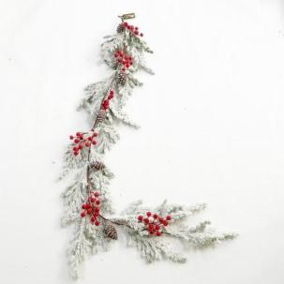 | MTTT-0325C078 | 180cm christmas decorated garland as is | as is | 1pc/opp bag pack with hole Dia more than 3mm | 24 |  | 0 | 75 | 50 | 50 | 0.188 | 8704 | 0.000 |  | 0.000 | 240PCS
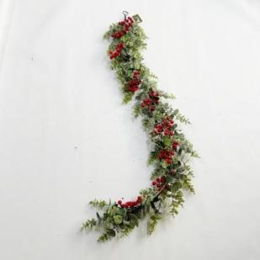 | MTTT-0325C079 | 180cm christmas decorated garland as is | as is | 1pc/opp bag pack with hole Dia more than 3mm | 12 |  | 0 | 75 | 50 | 40 | 0.150 | 5440 | 0.000 |  | 0.000 | 240PCS
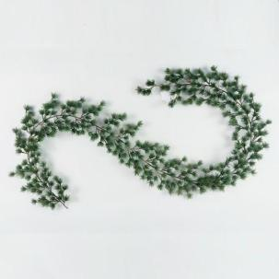 | MTTT-0325C080 | 190cm christmas PE garland as is | as is | 1pc/opp bag pack with hole Dia more than 3mm | 15 |  | 0 | 90 | 25 | 40 | 0.090 | 11333 | 0.000 |  | 0.000 | 900PCS
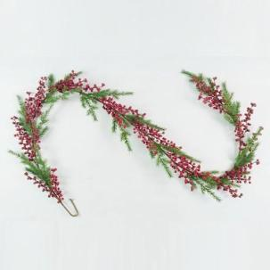 | MTTT-0325C081 | 190cm christmas PE garland as is | as is | 1pc/opp bag pack with hole Dia more than 3mm | 15 |  | 0 | 50 | 20 | 50 | 0.050 | 20400 | 0.000 |  | 0.000 | 500PCS
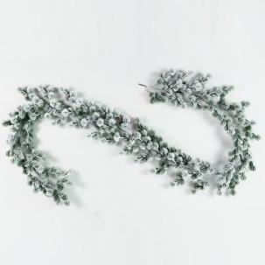 | MTTT-0325C082 | 190cm christmas PE garland as is | as is | 1pc/opp bag pack with hole Dia more than 3mm | 15 |  | 0 | 90 | 25 | 40 | 0.090 | 11333 | 0.000 |  | 0.000 | 900PCS
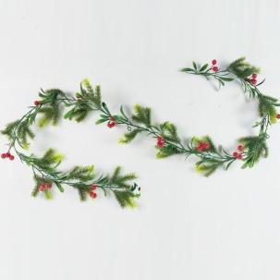 | MTTT-0325C083 | 185cm christmas PE garland as is | as is | 1pc/opp bag pack with hole Dia more than 3mm | 15 |  | 0 | 85 | 30 | 20 | 0.051 | 20000 | 0.000 |  | 0.000 | 850PCS
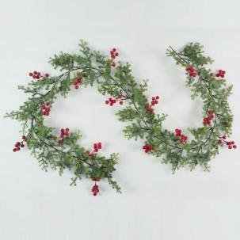 | MTTT-0325C084 | 190cm christmas PE garland as is | as is | 1pc/opp bag pack with hole Dia more than 3mm | 15 |  | 0 | 95 | 25 | 37 | 0.088 | 11607 | 0.000 |  | 0.000 | 950PCS
 | MTTT-0325C085 | 170cm christmas PE garland as is | as is | 1pc/opp bag pack with hole Dia more than 3mm | 15 |  | 0 | 85 | 30 | 35 | 0.089 | 11429 | 0.000 |  | 0.000 | 850PCS
 | MTTT-0325C086 | 160cm christmas PE garland as is | as is | 1pc/opp bag pack with hole Dia more than 3mm | 15 |  | 0 | 75 | 30 | 56 | 0.126 | 8095 | 0.000 |  | 0.000 | 750PCS
 | MTTT-0325C087 | 44cm christmas star shape garland as is | as is | 1pc/opp bag pack with hole Dia more than 3mm | 30 |  | 0 | 75 | 46 | 47 | 0.162 | 12581 | 0.000 |  | 0.000 | 750PCS
 | MTTT-0325C088 | 90*36cm decorated PE wreath as is | as is | 1pc/opp bag pack with hole Dia more than 3mm | 20 |  | 0 | 76 | 37 | 42 | 0.118 | 11515 | 0.000 |  | 0.000 | 760PCS
 | MTTT-0325C089 | 36cm christmas snow flocked baranch as is | as is | 1pc/opp bag pack with hole Dia more than 3mm | 320 |  | 0 | 80 | 36 | 52 | 0.150 | 145299 | 0.000 |  | 0.000 | 640PCS
 | MTTT-0325C090 | 65cm christmas baranch as is | as is | 1pc/opp bag pack with hole Dia more than 3mm | 48 |  | 0 | 67 | 36 | 62 | 0.150 | 21826 | 0.000 |  | 0.000 | 670PCS
 | MTTT-0325C091 | 65*14*25cm Decorated Christmas arch as photo show | as is | 1pc/opp bag pack with hole Dia more than 3mm | 24 |  | 0 | 72 | 50 | 31 | 0.112 | 14624 | 0.000 |  | 0.000 | 600PCS
 | MTTT-0325C092 | 120*20*12cm christmas garland as is | as is | 1pc/opp bag pack with hole Dia more than 3mm | 24 |  | 0 | 78 | 52 | 56 | 0.227 | 7185 | 0.000 |  | 0.000 | 600PCS
 | MTTT-0325C093 | 200*9*22cm christmas garland as is | as is | 1pc/opp bag pack with hole Dia more than 3mm | 20 |  | 0 | 62 | 47 | 70 | 0.204 | 6667 | 0.000 |  | 0.000 | 600PCS
 | MTTT-0325C094 | 65*9*25cm Decorated Christmas arch as photo show | as is | 1pc/opp bag pack with hole Dia more than 3mm | 24 |  | 0 | 72 | 50 | 31 | 0.112 | 14624 | 0.000 |  | 0.000 | 600PCS
 | MTTT-0325C095 | 68*18*26cm Decorated Christmas arch as photo show | as is | 1pc/opp bag pack with hole Dia more than 3mm | 24 |  | 0 | 72 | 50 | 31 | 0.112 | 14624 | 0.000 |  | 0.000 | 600PCS
 | MTTT-0325C096 | 1M christmas PE garland with ornaments as phot show | as is | 1pc/opp bag pack with hole Dia more than 3mm | 24 |  | 0 | 60 | 50 | 50 | 0.150 | 10880 | 0.000 |  | 0.000 | 300PCS
 | MTTT-0325C097 | 1M christmas PE garland with ornaments as phot show | as is | 1pc/opp bag pack with hole Dia more than 3mm | 24 |  | 0 | 60 | 50 | 50 | 0.150 | 10880 | 0.000 |  | 0.000 | 300PCS
 | MTTT-0325C098 | 45*30cm christmas PE hanging decoration as is | as is | 1pc/opp bag pack with hole Dia more than 3mm | 32 |  | 0 | 70 | 50 | 60 | 0.210 | 10362 | 0.000 |  | 0.000 | 300PCS
 | MTTT-0325C099 | 50*35cm christmas PE hanging decoration as is | as is | 1pc/opp bag pack with hole Dia more than 3mm | 32 |  | 0 | 70 | 50 | 60 | 0.210 | 10362 | 0.000 |  | 0.000 | 300PCS
 | MTTT-0325C100 | 66*40cm christmas PE hanging decoration as is | as is | 1pc/opp bag pack with hole Dia more than 3mm | 32 |  | 0 | 70 | 60 | 50 | 0.210 | 10362 | 0.000 |  | 0.000 | 300PCS
 | MTTT-0325C101 | 55*30cm christmas PE hanging decoration as is | as is | 1pc/opp bag pack with hole Dia more than 3mm | 32 |  | 0 | 70 | 50 | 60 | 0.210 | 10362 | 0.000 |  | 0.000 | 300PCS
 | MTTT-0325C102 | 40*29cm christmas PE hanging decoration as is | as is | 1pc/opp bag pack with hole Dia more than 3mm | 32 |  | 0 | 70 | 50 | 60 | 0.210 | 10362 | 0.000 |  | 0.000 | 300PCS
 | MTTT-0325C103 | 70cm christmas PE hanging decoration as is | as is | 1pc/opp bag pack with hole Dia more than 3mm | 32 |  | 0 | 70 | 60 | 70 | 0.294 | 7401 | 0.000 |  | 0.000 | 300PCS
 | MTTT-0325C104 | 115*22cm christmas PE+PET garland as is | as is | 1pc/opp bag pack with hole Dia more than 3mm | 16 |  | 0 | 60 | 50 | 60 | 0.180 | 6044 | 0.000 |  | 0.000 | 300PCS
 | MTTT-0325C105 | 65cm christmas PE hanging decoration as is | as is | 1pc/opp bag pack with hole Dia more than 3mm | 32 |  | 0 | 70 | 60 | 70 | 0.294 | 7401 | 0.000 |  | 0.000 | 300PCS
 | MTTT-0325C106 | 125cm*16cm christmas PE+PET garland as is | as is | 1pc/opp bag pack with hole Dia more than 3mm | 16 |  | 0 | 60 | 50 | 60 | 0.180 | 6044 | 0.000 |  | 0.000 | 300PCS
 | MTTT-0325C107 | 80*25cm christmas PE+PVC hanging decoration as is | as is | 1pc/opp bag pack with hole Dia more than 3mm | 18 |  | 0 | 70 | 60 | 50 | 0.210 | 5829 | 0.000 |  | 0.000 | 300PCS
 | MTTT-0325C108 | 80*25cm christmas PE+PVC hanging decoration as is | as is | 1pc/opp bag pack with hole Dia more than 3mm | 18 |  | 0 | 70 | 60 | 50 | 0.210 | 5829 | 0.000 |  | 0.000 | 300PCS
 | MTTT-0325C109 | 80*25cm christmas PVC+Pine needle hanging decoration as is | as is | 1pc/opp bag pack with hole Dia more than 3mm | 18 |  | 0 | 70 | 60 | 50 | 0.210 | 5829 | 0.000 |  | 0.000 | 300PCS
 | MTTT-0325C110 | 50*25cm christmas PE hanging decoration as is | as is | 1pc/opp bag pack with hole Dia more than 3mm | 32 |  | 0 | 60 | 50 | 60 | 0.180 | 12089 | 0.000 |  | 0.000 | 300PCS
 | MTTT-0325C111 | 100m*20cm christmas PE garlans with ornments as is | as is | 1pc/opp bag pack with hole Dia more than 3mm | 18 |  | 0 | 70 | 60 | 50 | 0.210 | 5829 | 0.000 |  | 0.000 | 300PCS
 | MTTT-0325C112 | 210cm*25cm decorated christmas PVC garland as is | as is | 1pc/opp bag pack with hole Dia more than 3mm | 24 |  | 0 | 70 | 55 | 75 | 0.289 | 5652 | 0.000 |  | 0.000 | 300PCS

