PVC Wreath
PHOTOS | ITEM NO | DESCRIPTION | Color | Package | PCS/ CTN | CTNS | T.SETS | MOQ & Produce Time
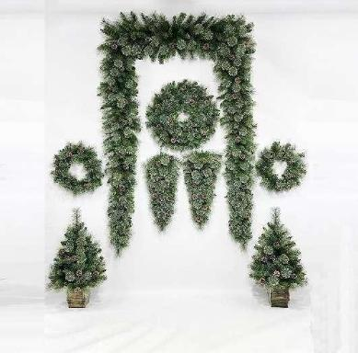 | MTHH- 0325B001 | 60cm PE+flower Pine Needle mixed christmas wreath with pine cone as is | Green as is | 1pc/opp bag pack with hole Dia more than 3mm | 8 |  | 0 | 300 pcs
 | MTHH- 0325B002 | 80cm PE+flower Pine Needle mixed christmas wreath with pine cone as is | Green as is | 1pc/opp bag pack with hole Dia more than 3mm | 4 |  | 0 | 300 pcs
 | MTHH- 0325B003 | 85cm PE+flower Pine Needle mixed teardrop christmas tree with pine cone as is | Green as is | 1pc/opp bag pack with hole Dia more than 3mm | 12 |  | 0 | 300 pcs
 | MTHH- 0325B004 | 90cm PE+flower Pine Needle mixed christmas tree with pine cone as is | Green as is | 1pc/opp bag pack with hole Dia more than 3mm | 1 |  | 0 | 300 pcs
 | MTHH- 0325B005 | 210cm PE+flower Pine Needle mixed christmas garland with pine cone as is | Green as is | 1pc/opp bag pack with hole Dia more than 3mm | 4 |  | 0 | 300 pcs
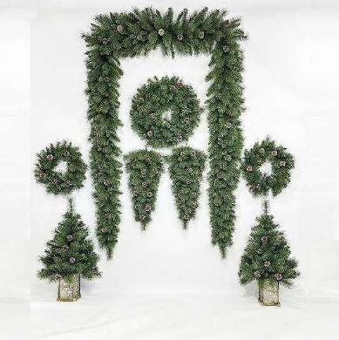 | MTHH- 0325B006 | 60cm PE+ Pine Needle mixed christmas wreath with pine cone as is | Green as is | 1pc/opp bag pack with hole Dia more than 3mm | 8 |  | 0 | 300 pcs
 | MTHH- 0325B007 | 80cm PE+Pine Needle mixed christmas wreath with pine cone as is | Green as is | 1pc/opp bag pack with hole Dia more than 3mm | 4 |  | 0 | 300 pcs
 | MTHH- 0325B008 | 85cm PE+ Pine Needle mixed teardrop christmas tree with pine cone as is | Green as is | 1pc/opp bag pack with hole Dia more than 3mm | 12 |  | 0 | 300 pcs
 | MTHH- 0325B009 | 90cm PE+ Pine Needle mixed christmas tree with pine cone as is | Green as is | 1pc/opp bag pack with hole Dia more than 3mm | 1 |  | 0 | 300 pcs
 | MTHH- 0325B010 | 210cm PE+ Pine Needle mixed christmas garland with pine cone as is | Green as is | 1pc/opp bag pack with hole Dia more than 3mm | 4 |  | 0 | 300 pcs
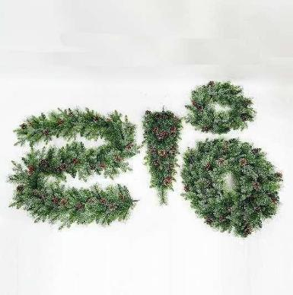 | MTHH- 0325B011 | 60cm PE+PVC+PET mixed christmas wreath with pine cone, red berry as is | Green as is | 1pc/opp bag pack with hole Dia more than 3mm | 12 |  | 0 | 300 pcs
 | MTHH- 0325B012 | 80cm PE+PVC+PET mixed christmas wreath with pine cone, red berry as is | Green as is | 1pc/opp bag pack with hole Dia more than 3mm | 8 |  | 0 | 300 pcs
 | MTHH- 0325B013 | 85cm PE+PVC+PET mixed teardrop christmas tree with pine cone, red berry as is | Green as is | 1pc/opp bag pack with hole Dia more than 3mm | 12 |  | 0 | 300 pcs
 | MTHH- 0325B014 | 80cm PE+PVC+PET mixed christmas garland with pine cone, red berry as is | Green as is | 1pc/opp bag pack with hole Dia more than 3mm | 8 |  | 0 | 300 pcs
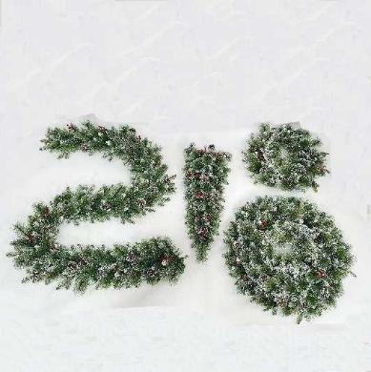 | MTHH- 0325B015 | 60cm PE+PVC+PET with white mixed christmas wreath with pine cone, red berry as is | Green as is | 1pc/opp bag pack with hole Dia more than 3mm | 12 |  | 0 | 300 pcs
 | MTHH- 0325B016 | 80cm PE+PVC+PET with white mixed christmas wreath with pine cone, red berry as is | Green as is | 1pc/opp bag pack with hole Dia more than 3mm | 8 |  | 0 | 300 pcs
 | MTHH- 0325B017 | 85cm PE+PVC+PET with white mixed teardrop christmas tree with pine cone, red berry as is | Green as is | 1pc/opp bag pack with hole Dia more than 3mm | 12 |  | 0 | 300 pcs
 | MTHH- 0325B018 | 80cm PE+PVC+PET with white mixed christmas garland with pine cone, red berry as is | Green as is | 1pc/opp bag pack with hole Dia more than 3mm | 8 |  | 0 | 300 pcs
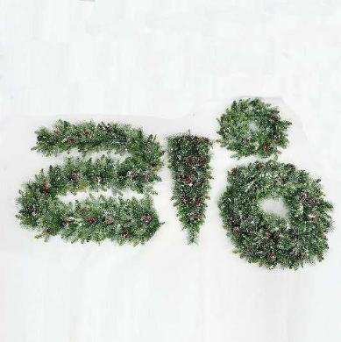 | MTHH- 0325B019 | 60cm PE+PVC+PET with white glitter mixed christmas wreath with pine cone, red berry as is | Green as is | 1pc/opp bag pack with hole Dia more than 3mm | 12 |  | 0 | 300 pcs
 | MTHH- 0325B020 | 80cm PE+PVC+PET with white glitter mixed christmas wreath with pine cone, red berry as is | Green as is | 1pc/opp bag pack with hole Dia more than 3mm | 8 |  | 0 | 300 pcs
 | MTHH- 0325B021 | 85cm PE+PVC+PET with white glitter mixed teardrop christmas tree with pine cone, red berry as is | Green as is | 1pc/opp bag pack with hole Dia more than 3mm | 12 |  | 0 | 300 pcs
 | MTHH- 0325B022 | 80cm PE+PVC+PET with white glitter mixed christmas garland with pine cone, red berry as is | Green as is | 1pc/opp bag pack with hole Dia more than 3mm | 8 |  | 0 | 300 pcs
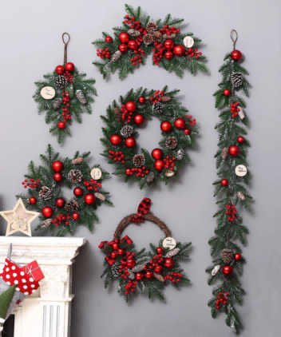 | MTHH- 0325B023 | Christmas Wreath, Garland mixed pack . 150cm garland 1pc, 40cm wreath 1pc, 50cm wreath 1pc, 65cm hanging deco 1pc, 50cm half wreath 1pc , 50 cm branch 1pc | green with white glitter | 6pcs=1set / opp bag pack with hole Dia more than 3mm price for one sets=6pcs | 4 |  | 0 | 100sets
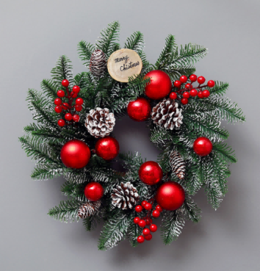 | MTHH- 0325B024 | 50cm outside Dia Full PE Christmas Wreath with Glitter effect as is ,with 11pcs red berry bounch 6 sets, | green with white glitter | 1pc / opp bag pack with hole Dia more than 3mm | 20 |  | 0 | 300 pcs
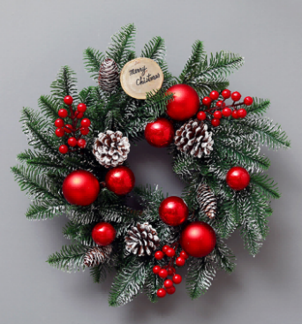 | MTHH- 0325B025 | 40cm outside Dia Full PE Christmas Wreath with Glitter effect as is ,with 11pcs red berry bounch 3 sets, | green with white glitter | 1pc / opp bag pack with hole Dia more than 3mm | 24 |  | 0 | 300 pcs
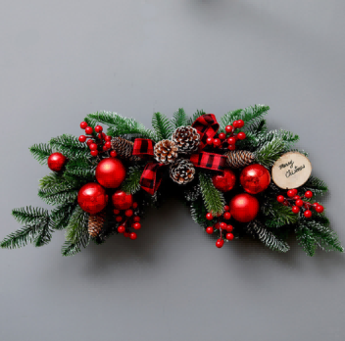 | MTHH- 0325B026 | 65cm width Full PE Christmas hanging decoration with Glitter effect as is ,with 11pcs red berry bounch 6 sets, | green with white glitter | 1pc / opp bag pack with hole Dia more than 3mm | 32 |  | 0 | 300 pcs
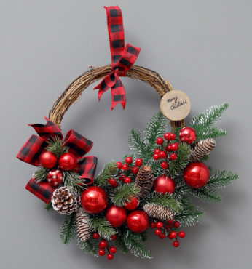 | MTHH- 0325B027 | 50cm outside Dia Full PE Christmas Half Wreath with Glitter effect as is ,with 11pcs red berry bounch 4 sets, | green with white glitter | 1pc / opp bag pack with hole Dia more than 3mm | 24 |  | 0 | 300 pcs
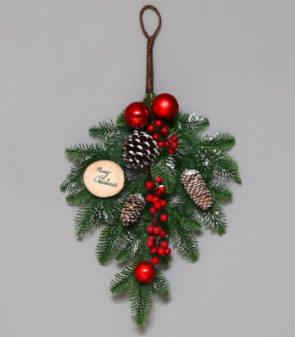 | MTHH- 0325B028 | 50cm Length Full PE Christmas Hanging Decoration with Glitter effect as is ,with 11pcs red berry bounch 3 sets, | green with white glitter | 1pc / opp bag pack with hole Dia more than 3mm | 32 |  | 0 | 300 pcs
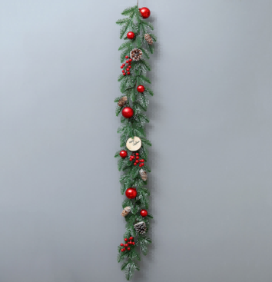 | MTHH- 0325B029 | 150cm Length 20cm width Full PE Christmas Garland with Glitter effect as is ,with 11pcs red berry bounch 3 sets, | green with white glitter | 1pc / opp bag pack with hole Dia more than 3mm | 16 |  | 0 | 300 pcs
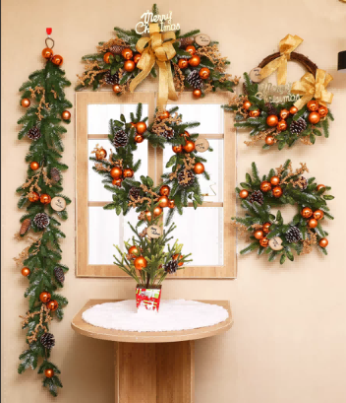 | MTHH- 0325B030 | Christmas Wreath, Garland mixed pack . 150cm garland 1pc, 40cm wreath 1pc, 50cm wreath 1pc, 75cm hanging deco 1pc, 50cm half wreath 1pc , | green with white glitter | 5pcs=1set / opp bag pack with hole Dia more than 3mm price for one sets=5pcs | 6 |  | 0 | 100sets
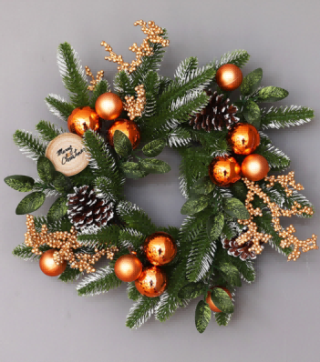 | MTHH- 0325B031 | 50cm outside Dia Full PE Christmas Wreath with Glitter effect as is ,with ball, pine cone,fruit sets | green with white glitter | 1pc / opp bag pack with hole Dia more than 3mm | 20 |  | 0 | 300 pcs
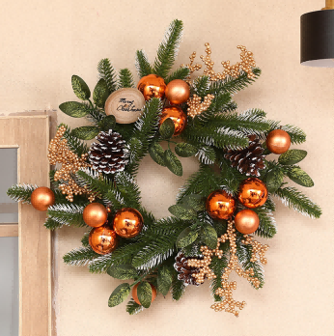 | MTHH- 0325B032 | 40cm outside Dia Full PE Christmas Wreath with Glitter effect as is ,with ball, pine cone,fruit sets | green with white glitter | 1pc / opp bag pack with hole Dia more than 3mm | 24 |  | 0 | 300 pcs
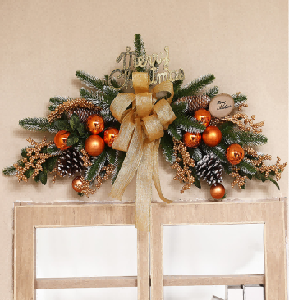 | MTHH- 0325B033 | 75cm width Full PE Christmas hanging decoration with Glitter effect as is ,with ball, pine cone,fruit sets,ribbon,letter | green with white glitter | 1pc / opp bag pack with hole Dia more than 3mm | 32 |  | 0 | 300 pcs
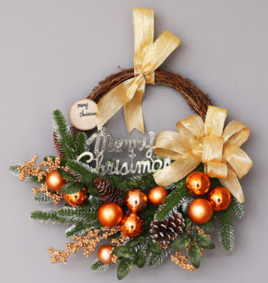 | MTHH- 0325B034 | 50cm outside Dia Full PE Christmas Half Wreath with Glitter effect as is ,with 1ball, pine cone,fruit sets,ribbon,letter | green with white glitter | 1pc / opp bag pack with hole Dia more than 3mm | 24 |  | 0 | 300 pcs
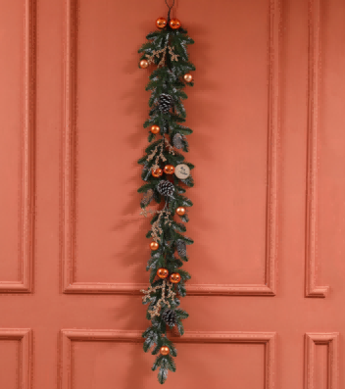 | MTHH- 0325B035 | 150cm Length 20cm width Full PE Christmas Garland with Glitter effect as is ,with ball, pine cone,fruit sets | green with white glitter | 1pc / opp bag pack with hole Dia more than 3mm | 16 |  | 0 | 300 pcs
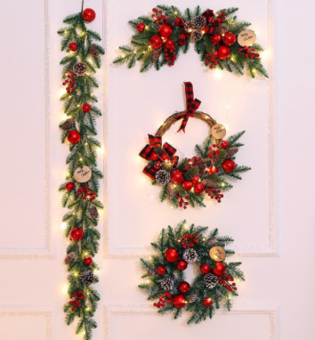 | MTHH- 0325B036 | Christmas Wreath, Garland mixed pack . 150cm garland with light 1pc, 40cm wreath with light 1pc, 65cm hanging deco with light 1pc, 50cm half wreath with light 1pc | green with white glitter | 4pcs=1set / opp bag pack with hole Dia more than 3mm price for one sets=4pcs | 10 |  | 0 | 100sets
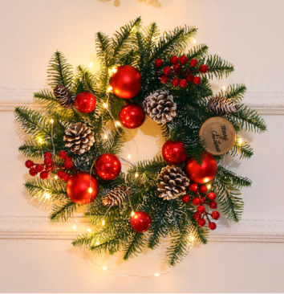 | MTHH- 0325B037 | 40cm outside Dia Full PE +LED light Christmas Wreath with Glitter effect as is ,with 11pcs red berry bounch 3 sets, | green with white glitter | 1pc / opp bag pack with hole Dia more than 3mm | 24 |  | 0 | 300 pcs
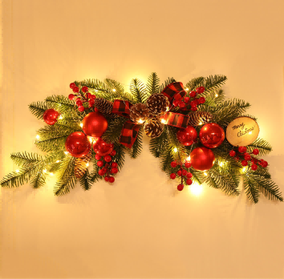 | MTHH- 0325B038 | 65cm width Full PE +LED light Christmas hanging decoration with Glitter effect as is ,with 11pcs red berry bounch 6 sets, | green with white glitter | 1pc / opp bag pack with hole Dia more than 3mm | 32 |  | 0 | 300 pcs
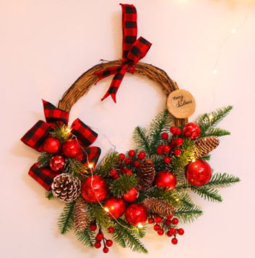 | MTHH- 0325B039 | 50cm outside Dia Full PE +LED light Christmas Half Wreath with Glitter effect as is ,with 11pcs red berry bounch 4 sets, | green with white glitter | 1pc / opp bag pack with hole Dia more than 3mm | 24 |  | 0 | 300 pcs
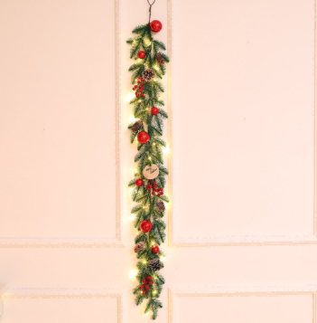 | MTHH- 0325B040 | 150cm Length 20cm width Full PE +LED light Christmas Garland with Glitter effect as is ,with 11pcs red berry bounch 3 sets, | green with white glitter | 1pc / opp bag pack with hole Dia more than 3mm | 16 |  | 0 | 300 pcs
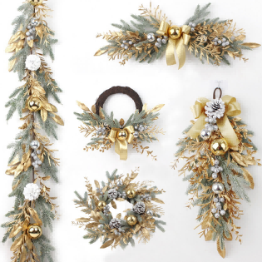 | MTHH- 0325B041 | Christmas Wreath, Garland mixed pack . 180cm garland 1pc, 50cm wreath 1pc, 70cm hanging deco 1pc, 45cm half wreath 1pc , 55 cm teardrop christmas tree 1pc | gold silvery | 5pcs=1set / opp bag pack with hole Dia more than 3mm price for one sets=5pcs | 6 |  | 0 | 100sets
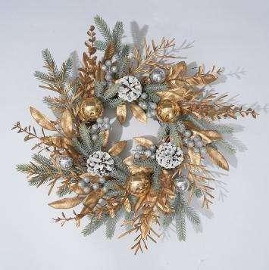 | MTHH- 0325B042 | 50cm outside Dia golden color and silvery color mixed PE Christmas Wreath as is , | gold silvery | 1pc/opp bag pack with hole Dia more than 3mm 471g/pc | 20 |  | 0 | 300 pcs
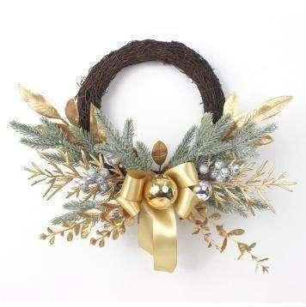 | MTHH- 0325B043 | 45cm outside Dia golden color and silvery color mixed PE Christmas Wreath as is , | gold silvery | 1pc/opp bag pack with hole Dia more than 3mm 268g | 24 |  | 0 | 300 pcs
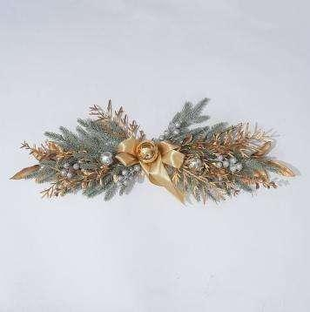 | MTHH- 0325B044 | 70cm width Hanging Christmas Decoration as is , with gold balls, leafs and the silvery glitter balls | gold silvery | 1pc/opp bag pack with hole Dia more than 3mm 206g/pc | 32 |  | 0 | 300 pcs
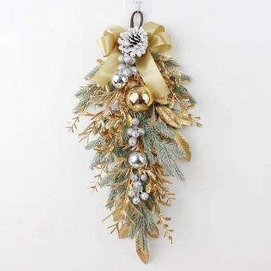 | MTHH- 0325B045 | 55cm length golden color and silvery color mixed PE teardrop christmas tree as is , | gold silvery | 1pc/opp bag pack with hole Dia more than 3mm 188g/pc | 32 |  | 0 | 300 pcs
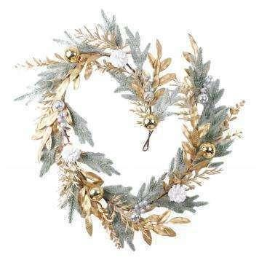 | MTHH- 0325B046 | 180cm length golden color and silvery color mixed PE Christmas garland as is , | gold silvery | 1pc/opp bag pack with hole Dia more than 3mm 565g/pc | 16 |  | 0 | 300 pcs
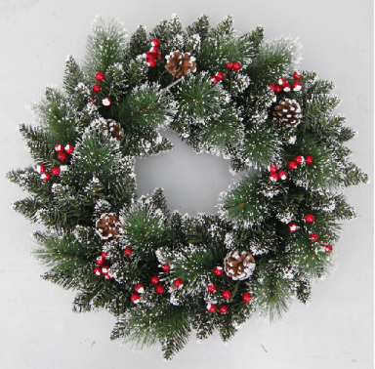 | MTHH- 0325B047 | 50cm PVC mixed pine needle Christmas Wreath with red berry and pine cone with white glitter as is | Green as is with red berry and white glitter | 1pc/opp bag pack with hole Dia more than 3mm | 8 |  | 0 | 300 pcs
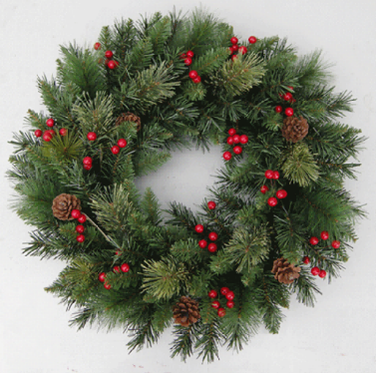 | MTHH- 0325B048 | 50cm PVC & PET pine needle Christmas wreath with red berry and pine cone as is | Green as is with red berry | 1pc/opp bag pack with hole Dia more than 3mm | 8 |  | 0 | 300 pcs
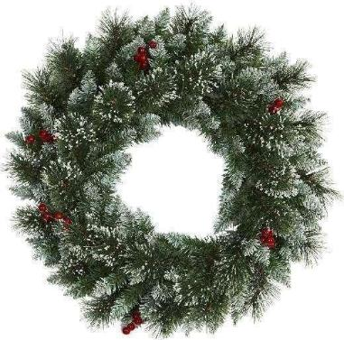 | MTHH- 0325B049 | 50cm PVC & PET pine needle Christmas wreath with red berry and white glitter as is | Green as is with red berry and white glitter | 1pc/opp bag pack with hole Dia more than 3mm | 8 |  | 0 | 300 pcs
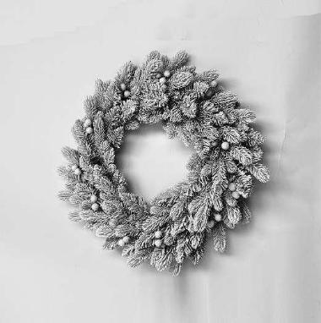 | MTHH- 0325B050 | Dia 60cm 88tips PE+PVC mixed christmas wreath with heavy snow flocked and berry as is | white as is | 1pc/opp bag pack with hole Dia more than 3mm | 8 |  | 0 | 300 pcs
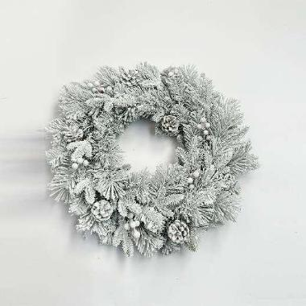 | MTHH- 0325B051 | Dia 60cm 72tips PE+PVC mixed christmas wreath with heavy snow flocked ,berry,pine cone as is | white as is | 1pc/opp bag pack with hole Dia more than 3mm | 8 |  | 0 | 300 pcs
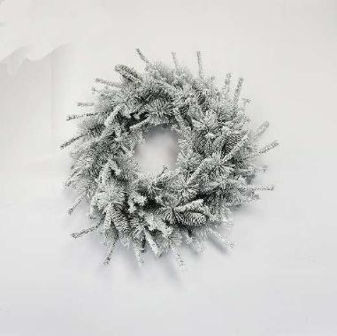 | MTHH- 0325B052 | Dia 60cm 72tips PE+PVC mixed christmas wreath with heavy snow flocked ,pine cone as is | white as is | 1pc/opp bag pack with hole Dia more than 3mm | 8 |  | 0 | 300 pcs
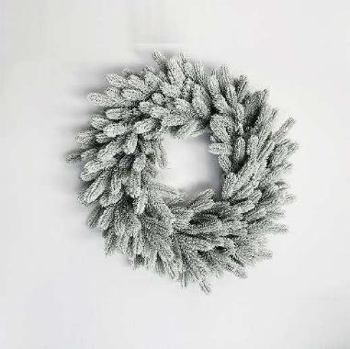 | MTHH- 0325B053 | Dia 60cm 52tips full PE christmas wreath with heavy snow flocked as is | white as is | 1pc/opp bag pack with hole Dia more than 3mm | 8 |  | 0 | 300 pcs
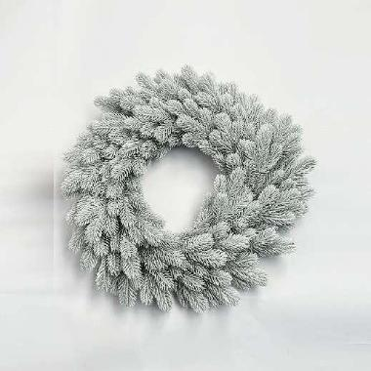 | MTHH- 0325B054 | Dia 60cm 52tips full PE christmas wreath with heavy snow flocked as is | white as is | 1pc/opp bag pack with hole Dia more than 3mm | 8 |  | 0 | 300 pcs
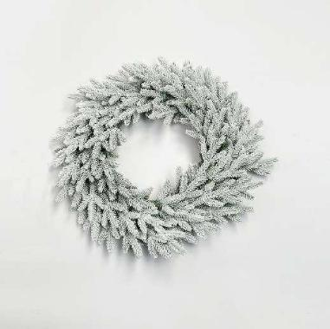 | MTHH- 0325B055 | Dia 60cm 52tips full PE christmas wreath with heavy snow flocked as is | white as is | 1pc/opp bag pack with hole Dia more than 3mm | 8 |  | 0 | 300 pcs
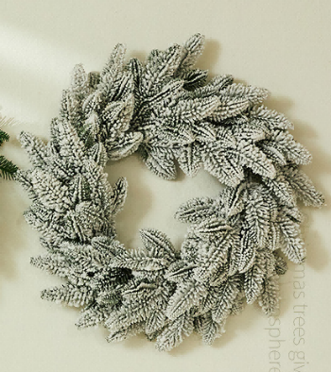 | MTHH- 0325B056 | Dia 55cm 70tips full PE christmas wreath with heavy snow flocked as is | white as is | 1pc/opp bag pack with hole Dia more than 3mm | 10 |  | 0
 | MTHH- 0325B057 | Dia 45cm 100tips PVC+Pine Needle mixed christmas wreath as is | as is | 1pc/opp bag pack with hole Dia more than 3mm | 10 |  | 0
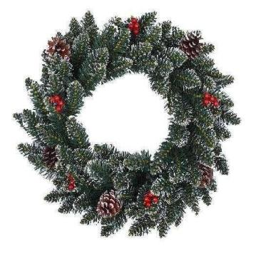 | MTHH- 0325B058 | Dia 45cm 110tips full PVC christmas wreath as is | as is | 1pc/opp bag pack with hole Dia more than 3mm | 6 |  | 0
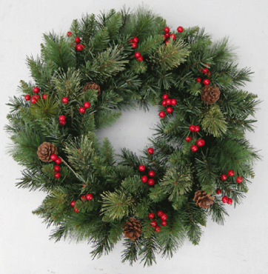 | MTHH- 0325B059 | Dia 45cm 100tips full PVC christmas wreath as is | as is | 1pc/opp bag pack with hole Dia more than 3mm | 10 |  | 0
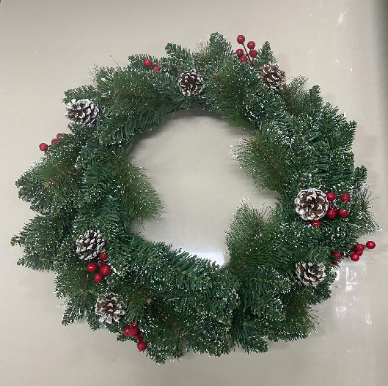 | MTHH- 0325B060 | Dia 50cm 172Tips PVC +Pined Needle mixed christmas wreath with white glitter as is | green with white glitter | 1pc / opp bag pack with hole Dia more than 3mm | 12 |  | 0 | 300 pcs
 | MTHH- 0325B061 | 60cm 200Tips PVC +Pined Needle mixed christmas wreath with white glitter as is | green with white glitter | 1pc / opp bag pack with hole Dia more than 3mm | 10 |  | 0 | 300 pcs
 | MTHH- 0325B062 | 70cm, 280Tips PVC +Pined Needle mixed christmas wreath with white glitter as is | green with white glitter | 1pc / opp bag pack with hole Dia more than 3mm | 6 |  | 0 | 300 pcs
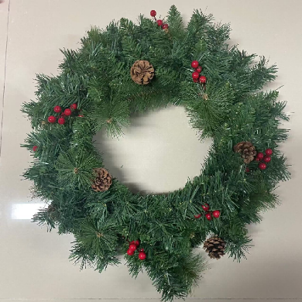 | MTHH- 0325B063 | Dia 50cm 120Tips PVC +Pined Needle mixed christmas wreath as is | green | 1pc / opp bag pack with hole Dia more than 3mm | 8 |  | 0 | 300 pcs
 | MTHH- 0325B064 | Dia 60cm 186Tips PVC +Pined Needle mixed christmas wreath as is | green | 1pc / opp bag pack with hole Dia more than 3mm | 10 |  | 0 | 300 pcs
 | MTHH- 0325B065 | Dia 70cm 269Tips PVC +Pined Needle mixed christmas wreath as is | green | 1pc / opp bag pack with hole Dia more than 3mm | 6 |  | 0 | 300 pcs
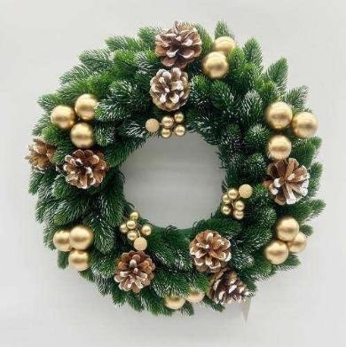 | MTHH- 0325B066 | Dia 30cm full PE christmas wreath with pine cone, ball, berry as is | Green as is | 1pc / opp bag pack with hole Dia more than 3mm | 24 |  | 0 | 300 pcs
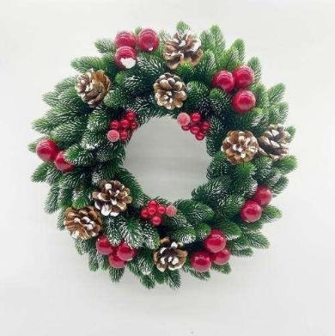 | MTHH- 0325B067 | Dia 30cm full PE christmas wreath with pine cone, ball, berry as is | Green as is | 1pc / opp bag pack with hole Dia more than 3mm | 24 |  | 0 | 300 pcs
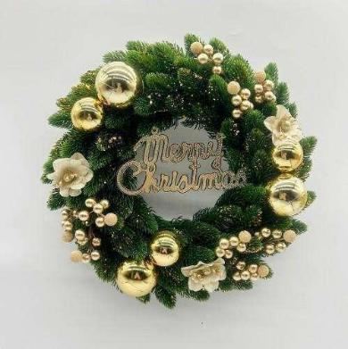 | MTHH- 0325B068 | Dia 30cm full PE christmas wreath with flower, ball, berry,letter as is | Green as is | 1pc / opp bag pack with hole Dia more than 3mm | 24 |  | 0 | 300 pcs
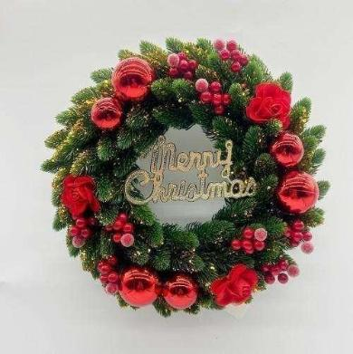 | MTHH- 0325B069 | Dia 30cm full PE christmas wreath with flower, ball, berry,letter as is | Green as is | 1pc / opp bag pack with hole Dia more than 3mm | 24 |  | 0 | 300 pcs
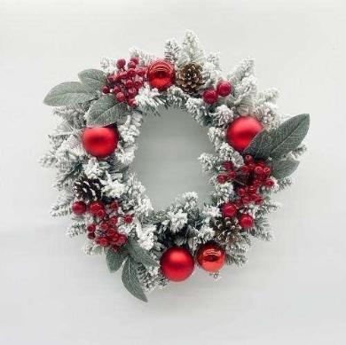 | MTHH- 0325B070 | Dia 40cm PVC with snow flocked christmas wreath with ball, pine cone, berry,leaf as is | white as is | 1pc / opp bag pack with hole Dia more than 3mm | 24 |  | 0 | 300 pcs
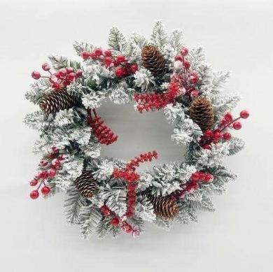 | MTHH- 0325B071 | Dia 40cm PVC with snow flocked christmas wreath with long pine cone, red berry as is | white as is | 1pc / opp bag pack with hole Dia more than 3mm | 24 |  | 0 | 300 pcs
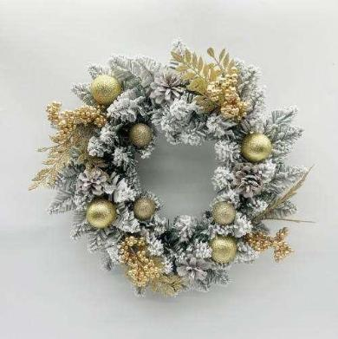 | MTHH- 0325B072 | Dia 40cm PVC with snow flocked christmas wreath with ball, berry,leaf as is | white as is | 1pc / opp bag pack with hole Dia more than 3mm | 24 |  | 0 | 300 pcs
 | MTHH- 0325B073 | Dia 40cm PVC with snow flocked christmas wreath with bow,pine cone berry,leaf as is | white as is | 1pc / opp bag pack with hole Dia more than 3mm | 24 |  | 0 | 300 pcs
 | MTHH- 0325B074 | Dia 40cm PVC with white christmas wreath with long pine cone, red berry, ball as is | Green as is | 1pc / opp bag pack with hole Dia more than 3mm | 24 |  | 0 | 300 pcs
 | MTHH- 0325B075 | Dia 50cm PVC with white christmas wreath with long pine cone, red berry, ball as is | Green as is | 1pc / opp bag pack with hole Dia more than 3mm | 12 |  | 0 | 300 pcs
 | MTHH- 0325B076 | Dia 40cm PVC with white christmas wreath with ball, flower,berry sets as is | Green as is | 1pc / opp bag pack with hole Dia more than 3mm | 24 |  | 0 | 300 pcs
 | MTHH- 0325B077 | Dia 40cm PVC with white christmas wreath with ball, flower,berry sets as is | Green as is | 1pc / opp bag pack with hole Dia more than 3mm | 24 |  | 0 | 300 pcs
 | MTHH- 0325B078 | Dia 50cm PVC with white christmas wreath with ball, flower,berry sets as is | Green as is | 1pc / opp bag pack with hole Dia more than 3mm | 12 |  | 0 | 300 pcs
 | MTHH- 0325B079 | Dia 50cm PVC with white christmas wreath with ball, flower,berry sets as is | Green as is | 1pc / opp bag pack with hole Dia more than 3mm | 12 |  | 0 | 300 pcs
 | MTHH- 0325B080 | Dia 40cm PVC with white christmas wreath with ball, pine cones, berry sets, leaf as is | Green as is | 1pc / opp bag pack with hole Dia more than 3mm | 24 |  | 0 | 300 pcs
 | MTHH- 0325B081 | Dia 40cm PVC with white christmas wreath with ball, pine cones, berry sets, leaf as is | Green as is | 1pc / opp bag pack with hole Dia more than 3mm | 24 |  | 0 | 300 pcs
 | MTHH- 0325B082 | Dia 40cm PVC with white christmas wreath with ball, bow, berry sets, leaf as is | Green as is | 1pc / opp bag pack with hole Dia more than 3mm | 24 |  | 0 | 300 pcs
 | MTHH- 0325B083 | Dia 40cm PVC with white christmas wreath with ball, bow, berry sets, leaf as is | Green as is | 1pc / opp bag pack with hole Dia more than 3mm | 24 |  | 0 | 300 pcs
 | MTHH- 0325B084 | 40CM Decorated PVC Christmas Wreath with ball and big bow and pine cone with glitter and red berry as is | Green as is | 1pc/opp bag pack with hole Dia more than 3mm | 8 |  | 0 | 300 pcs
 | MTHH- 0325B085 | 40CM Decorated PVC Christmas Wreath with red flower and red ball and pine cone as is | Green as is | 1pc/opp bag pack with hole Dia more than 3mm | 8 |  | 0 | 300 pcs
 | MTHH- 0325B086 | 40CM Decorated PVC Christmas Wreath with red ball red bow as is | Green as is | 1pc/opp bag pack with hole Dia more than 3mm | 8 |  | 0 | 300 pcs
 | MTHH- 0325B087 | 40CM Decorated PVC Christmas Wreath with ball as is | Green as is | 1pc/opp bag pack with hole Dia more than 3mm | 8 |  | 0 | 300 pcs
 | MTHH- 0325B088 | 40CM Decorated PVC Christmas Wreath with red ball pine cone as is | Green as is | 1pc/opp bag pack with hole Dia more than 3mm | 8 |  | 0 | 300 pcs
 | MTHH- 0325B089 | 40CM Decorated PVC Christmas Wreath with big bow ,and red ball and red red berry and pine cone with white glitter as is | Green as is | 1pc/opp bag pack with hole Dia more than 3mm | 8 |  | 0 | 300 pcs
 | MTHH- 0325B090 | 40CM Decorated PVC Christmas Wreath with red flower , and red ball and pine cone as is | Green as is | 1pc/opp bag pack with hole Dia more than 3mm | 8 |  | 0 | 300 pcs
 | MTHH- 0325B091 | 40CM Decorated PVC Christmas Wreath with bow ,and red berry as is | Green as is | 1pc/opp bag pack with hole Dia more than 3mm | 8 |  | 0 | 300 pcs
 | MTHH- 0325B092 | 40CM Decorated PVC Christmas Wreath with red ball , and pine cone as is | Green as is | 1pc/opp bag pack with hole Dia more than 3mm | 8 |  | 0 | 300 pcs
 | MTHH- 0325B093 | 40CM Decorated PVC Christmas Wreath with red berry, and pine cone as is | Green as is | 1pc/opp bag pack with hole Dia more than 3mm | 8 |  | 0 | 300 pcs
 | MTHH- 0325B094 | 40CM Decorated PVC Christmas Wreath with red ball , and pine cone as is | Green as is | 1pc/opp bag pack with hole Dia more than 3mm | 8 |  | 0 | 300 pcs
 | MTHH- 0325B095 | 40CM Decorated PVC Christmas Wreath with red ball and red flower as is | Green as is | 1pc/opp bag pack with hole Dia more than 3mm | 8 |  | 0 | 300 pcs
 | MTHH- 0325B096 | 40CM Decorated PVC Christmas Wreath with gold ball , and gold glitter as is | Green as is | 1pc/opp bag pack with hole Dia more than 3mm | 8 |  | 0 | 300 pcs
 | MTHH- 0325B097 | 40CM Decorated PVC Christmas Wreath with gold ball , and gold flower as is | Green as is | 1pc/opp bag pack with hole Dia more than 3mm | 8 |  | 0 | 300 pcs
 | MTHH- 0325B098 | 40CM Decorated PVC Christmas Wreath with ball as is | Green as is | 1pc/opp bag pack with hole Dia more than 3mm | 8 |  | 0 | 300 pcs
 | MTHH- 0325B099 | 40CM Decorated PVC Christmas Wreath with red flower ,and red ball as is | Green as is | 1pc/opp bag pack with hole Dia more than 3mm | 8 |  | 0 | 300 pcs
 | MTHH- 0325B100 | 40CM Decorated PVC Christmas Wreath with red and gold ball ,and pine cone as is | Green as is | 1pc/opp bag pack with hole Dia more than 3mm | 8 |  | 0 | 300 pcs
 | MTHH- 0325B101 | 40CM Decorated PVC Christmas Wreath with red ball ,red flower as is | Green as is | 1pc/opp bag pack with hole Dia more than 3mm | 8 |  | 0 | 300 pcs
 | MTHH- 0325B102 | 40CM Decorated PVC Christmas Wreath with big bow ,and red gold ball as is | Green as is | 1pc/opp bag pack with hole Dia more than 3mm | 8 |  | 0 | 300 pcs
 | MTHH- 0325B103 | 40CM Decorated PVC Christmas Wreath with red ball , and pine cone with white glitter as is | Green as is | 1pc/opp bag pack with hole Dia more than 3mm | 8 |  | 0 | 300 pcs
 | MTHH- 0325B104 | 40CM Decorated PE Christmas Wreath with red berry as is | Green as is | 1pc/opp bag pack with hole Dia more than 3mm | 12 |  | 0 | 300 pcs
 | MTHH- 0325B105 | 40CM Decorated PE Christmas Wreath with gold berry ,and gold ball and pine cone with white glitter as is | Green as is | 1pc/opp bag pack with hole Dia more than 3mm | 12 |  | 0 | 300 pcs
 | MTHH- 0325B106 | 40CM Decorated PE Christmas Wreath with red berry ,and red ball and pine cone with white glitter as is | Green as is | 1pc/opp bag pack with hole Dia more than 3mm | 12 |  | 0 | 300 pcs
 | MTHH- 0325B107 | 40CM Decorated PE Christmas Wreath with red and gold ball ,and bow as is | Green as is | 1pc/opp bag pack with hole Dia more than 3mm | 12 |  | 0 | 300 pcs
 | MTHH- 0325B108 | 40CM Decorated PE Christmas Wreath with red and gold ball ,and red berry as is | Green as is | 1pc/opp bag pack with hole Dia more than 3mm | 12 |  | 0 | 300 pcs
 | MTHH- 0325B109 | 40CM Decorated PE Christmas Wreath with red ball ,and red berry red flower as is | Green as is | 1pc/opp bag pack with hole Dia more than 3mm | 12 |  | 0 | 300 pcs
 | MTHH- 0325B110 | 40CM Decorated PE Christmas Wreath with red berry and pine cone with white glitter as is | Green as is | 1pc/opp bag pack with hole Dia more than 3mm | 12 |  | 0 | 300 pcs
 | MTHH- 0325B111 | 40CM Decorated PE Christmas Wreath with red ball as is | Green as is | 1pc/opp bag pack with hole Dia more than 3mm | 12 |  | 0 | 300 pcs
 | MTHH- 0325B112 | 40CM Decorated PE Christmas Wreath with red berry as is | Green as is | 1pc/opp bag pack with hole Dia more than 3mm | 12 |  | 0 | 300 pcs
 | MTHH- 0325B113 | 40CM Decorated PE Christmas Wreath with red and white ball ,and red berry as is | Green as is | 1pc/opp bag pack with hole Dia more than 3mm | 12 |  | 0 | 300 pcs
 | MTHH- 0325B114 | Dia 45cm full PE christmas wreath with ball, red berry, pine cone bow as is | Green as is | 1pc/opp bag pack with hole Dia more than 3mm | 24 |  | 0 | 300 pcs
 | MTHH- 0325B115 | Dia 50cm full PE christmas wreath with painted ball, plain ball, pine cone, red berry as is | Green as is | 1pc/opp bag pack with hole Dia more than 3mm | 24 |  | 0 | 300 pcs
 | MTHH- 0325B116 | Dia 45cm full PE christmas wreath with bow,plain ball, pine cone, red berry as is | Green as is | 1pc/opp bag pack with hole Dia more than 3mm | 24 |  | 0 | 300 pcs
 | MTHH- 0325B117 | Dia 60cm PE +PVC mixed christmas wreath with ball, small fruit sets,red berry as is | Green as is | 1pc/opp bag pack with hole Dia more than 3mm | 20 |  | 0 | 300 pcs
 | MTHH- 0325B118 | Dia 50cm full PE christmas wreath with small fruit sets,red berry as is | Green as is | 1pc/opp bag pack with hole Dia more than 3mm | 20 |  | 0 | 300 pcs
 | MTHH- 0325B119 | Dia 40cm PE+PVC mixed christmas wreath with bow, ball, candy shape ornaments, pine cone, red berry asis | Green as is | 1pc/opp bag pack with hole Dia more than 3mm | 24 |  | 0 | 300 pcs
 | MTHH- 0325B120 | Dia 40cm full PE christmas wreath with ball, apple,red berry as is | Green as is | 1pc/opp bag pack with hole Dia more than 3mm | 24 |  | 0 | 300 pcs
 | MTHH- 0325B121 | Dia 40cm full PE christmas wreath with red fruit sets,leaf, pine cone,red berry as is | Green as is | 1pc/opp bag pack with hole Dia more than 3mm | 24 |  | 0 | 300 pcs
 | MTHH- 0325B122 | Dia 40cm full PE christmas wreath with ball, red fruit sets, long pine cone as is | Green as is | 1pc/opp bag pack with hole Dia more than 3mm | 24 |  | 0 | 300 pcs
 | MTHH- 0325B123 | Dia 40cm full PE christmas wreath with white ball, red berry sets, as is | Green as is | 1pc/opp bag pack with hole Dia more than 3mm | 24 |  | 0 | 300 pcs
 | MTHH- 0325B124 | Dia 40cm PE +iron christmas wreath with plastic patte ornaments, red berry, bow as is | Green as is | 1pc/opp bag pack with hole Dia more than 3mm | 36 |  | 0 | 300 pcs
 | MTHH- 0325B125 | Dia 40cm PE +iron christmas wreath with plastic patte ornaments, pine cone, red berry, bow as is | Green as is | 1pc/opp bag pack with hole Dia more than 3mm | 36 |  | 0 | 300 pcs
 | MTHH- 0325B126 | Dia 40cm PE +iron christmas wreath with ball, pine cone, red berry, as is | Green as is | 1pc/opp bag pack with hole Dia more than 3mm | 36 |  | 0 | 300 pcs
 | MTHH- 0325B127 | Dia 40cm PE +iron christmas wreath with pine cone, berry, as is | Green as is | 1pc/opp bag pack with hole Dia more than 3mm | 36 |  | 0 | 300 pcs
 | MTHH- 0325B128 | Dia 50cm decorated christmas wreath with berry as is | as is | 1pc/opp bag pack with hole Dia more than 3mm |  |  | 0 | 300 pcs
 | MTHH- 0325B129 | Dia 50cm decorated christmas wreath with berry as is | as is | 1pc/opp bag pack with hole Dia more than 3mm |  |  | 0 | 300 pcs
 | MTHH- 0325B130 | Dia 55cm decorated christmas wreath with berry,pine cone as is | as is | 1pc/opp bag pack with hole Dia more than 3mm |  |  | 0 | 300 pcs
 | MTHH- 0325B131 | Dia 40cm decorated christmas wreath with berry as is | as is | 1pc/opp bag pack with hole Dia more than 3mm |  |  | 0 | 300 pcs
 | MTHH- 0325B132 | Dia 35cm decorated christmas wreath with berry as is | as is | 1pc/opp bag pack with hole Dia more than 3mm |  |  | 0 | 300 pcs
 | MTHH- 0325B133 | Dia 50cm decorated christmas wreath with berry, pine cone as is | as is | 1pc/opp bag pack with hole Dia more than 3mm |  |  | 0 | 300 pcs
 | MTHH- 0325B134 | Dia 50cm decorated christmas wreath with berry, pine cone as is | as is | 1pc/opp bag pack with hole Dia more than 3mm |  |  | 0 | 300 pcs
 | MTHH- 0325B135 | Dia 40cm decorated christmas wreath with berry as is | as is | 1pc/opp bag pack with hole Dia more than 3mm |  |  | 0 | 300 pcs
 | MTHH- 0325B136 | Dia 50cm decorated christmas wreath with berry as is | as is | 1pc/opp bag pack with hole Dia more than 3mm |  |  | 0 | 300 pcs
 | MTHH- 0325B137 | Dia 40cm decorated christmas wreath with berry as is | as is | 1pc/opp bag pack with hole Dia more than 3mm |  |  | 0 | 300 pcs
 | MTHH- 0325B138 | Dia 40cm decorated christmas wreath with berry as is | as is | 1pc/opp bag pack with hole Dia more than 3mm |  |  | 0 | 300 pcs
 | MTHH- 0325B139 | Dia 50cm decorated christmas wreath with berry,pine cone as is | as is | 1pc/opp bag pack with hole Dia more than 3mm |  |  | 0 | 300 pcs
 | MTHH- 0325B140 | Dia 50cm decorated christmas wreath with berry,fruit sets as is | as is | 1pc/opp bag pack with hole Dia more than 3mm |  |  | 0 | 300 pcs
 | MTHH- 0325B141 | Dia 45cm decorated christmas wreath with gold berry as is | as is | 1pc/opp bag pack with hole Dia more than 3mm |  |  | 0 | 300 pcs
 | MTHH- 0325B142 | Dia 45cm decorated christmas wreath with red berry pine cone as is | as is | 1pc/opp bag pack with hole Dia more than 3mm |  |  | 0 | 300 pcs
 | MTHH- 0325B143 | Dia 50cm decorated christmas wreath with gold berry pine cone as is | as is | 1pc/opp bag pack with hole Dia more than 3mm |  |  | 0 | 300 pcs
 | MTHH- 0325B144 | Dia 50cm decorated christmas wreath with red berry as is | as is | 1pc/opp bag pack with hole Dia more than 3mm |  |  | 0 | 300 pcs
 | MTHH- 0325B145 | Dia 50cm decorated christmas wreath with gold berry pine cone as is | as is | 1pc/opp bag pack with hole Dia more than 3mm |  |  | 0 | 300 pcs
 | MTHH- 0325B146 | Dia 40cm decorated christmas wreath as is | as is | 1pc/opp bag pack with hole Dia more than 3mm |  |  | 0 | 300 pcs
 | MTHH- 0325B147 | Dia 50cm decorated christmas wreath as is | as is | 1pc/opp bag pack with hole Dia more than 3mm |  |  | 0 | 300 pcs
 | MTHH- 0325B148 | Dia 40cm decorated christmas wreath with red berry sets, long pine cone as is | as is | 1pc/opp bag pack with hole Dia more than 3mm |  |  | 0 | 300 pcs
 | MTHH- 0325B149 | Dia 50cm decorated christmas wreath with red berry sets, long pine cone as is | as is | 1pc/opp bag pack with hole Dia more than 3mm |  |  | 0 | 300 pcs
 | MTHH- 0325B150 | Dia 50cm decorated christmas wreath with red berry sets,pine cone as is | as is | 1pc/opp bag pack with hole Dia more than 3mm |  |  | 0 | 300 pcs
 | MTHH- 0325B151 | Dia 50cm decorated christmas wreath with gold berrysets, pine cone,ball as is | as is | 1pc/opp bag pack with hole Dia more than 3mm |  |  | 0 | 300 pcs
 | MTHH- 0325B152 | Dia 50cm decorated christmas wreath with nut, pine cone,as is | as is | 1pc/opp bag pack with hole Dia more than 3mm |  |  | 0 | 300 pcs
 | MTHH- 0325B153 | Dia 60cm decorated christmas wreath with nut, pine cone,as is | as is | 1pc/opp bag pack with hole Dia more than 3mm |  |  | 0 | 300 pcs
 | MTHH- 0325B154 | Dia 60cm decorated christmas wreath as is | as is | 1pc/opp bag pack with hole Dia more than 3mm |  |  | 0 | 300 pcs
 | MTHH- 0325B155 | Dia 45cm decorated christmas wreath with gold berry ,leaf as is | as is | 1pc/opp bag pack with hole Dia more than 3mm |  |  | 0 | 300 pcs
 | MTHH- 0325B156 | Dia 35cm decorated full PE christmas wreath with Pine cone, red berry, leaf as is | as is | 1pc/opp bag pack with hole Dia more than 3mm |  |  | 0 | 300 pcs
 | MTHH- 0325B157 | Dia 35cm decorated full PE christmas wreath with Pine cone, white berry, leaf,ball as is | as is | 1pc/opp bag pack with hole Dia more than 3mm |  |  | 0 | 300 pcs
 | MTHH- 0325B158 | Dia 35cm decorated christmas wreath with berry as is | as is | 1pc/opp bag pack with hole Dia more than 3mm |  |  | 0 | 300 pcs
 | MTHH- 0325B159 | Dia 35cm decorated christmas wreath with berry as is | as is | 1pc/opp bag pack with hole Dia more than 3mm |  |  | 0 | 300 pcs
 | MTHH- 0325B160 | Dia 45cm decorated christmas wreath with berry as is | as is | 1pc/opp bag pack with hole Dia more than 3mm |  |  | 0 | 300 pcs
 | MTHH- 0325B161 | Dia 50cm decorated full PE christmas wreath with ball, pine cone, red berry as is | as is | 1pc/opp bag pack with hole Dia more than 3mm |  |  | 0 | 300 pcs
 | MTHH- 0325B162 | Dia 50cm decorated full PE christmas wreath with ball, pine cone, berry as is | as is | 1pc/opp bag pack with hole Dia more than 3mm |  |  | 0 | 300 pcs
 | MTHH- 0325B163 | Dia 50cm decorated full PE christmas wreath with ball, leaf, berry as is | as is | 1pc/opp bag pack with hole Dia more than 3mm |  |  | 0 | 300 pcs
 | MTHH- 0325B164 | Dia 45cm decorated full PE christmas wreath with ball, pine cone, berry as is | as is | 1pc/opp bag pack with hole Dia more than 3mm |  |  | 0 | 300 pcs
 | MTHH- 0325B165 | Dia 50cm decorated full PE christmas wreath with ball, leaf, long pine, berry as is | as is | 1pc/opp bag pack with hole Dia more than 3mm |  |  | 0 | 300 pcs
 | MTHH- 0325B166 | 38*10*38 cm Decorated PE Christmas Wreath with red berry ,and red ball and pine cone as is | Green as is | 1pc/opp bag pack with hole Dia more than 3mm | 40 |  | 0 | 300 pcs
 | MTHH- 0325B167 | 40*10*40cm Decorated Christmas Wreath with red berry and pine cone as is | Green as is | 1pc/opp bag pack with hole Dia more than 3mm | 24 |  | 0 | 300 pcs
 | MTHH- 0325B168 | 39*9*36 cm Decorated PE Christmas Wreath with red berry and white glitter as is | Green as is | 1pc/opp bag pack with hole Dia more than 3mm | 40 |  | 0 | 300 pcs
 | MTHH- 0325B169 | 35*8*35cm Decorated PE Christmas Wreath with red berry ,and red apple and pine cone with white glitter as is | Green as is | 1pc/opp bag pack with hole Dia more than 3mm | 24 |  | 0 | 300 pcs
 | MTHH- 0325B170 | Dia 60cm full PE christmas wreath with pine cone, red berry as is | Green as is | 1pc/opp bag pack with hole Dia more than 3mm | 8 |  | 0 | 300 pcs
 | MTHH- 0325B171 | Decorated PE Christmas Wreath as is ,Outside Dia': 40CM ,with red berry and apple decoration | Green as is | 1pc/opp bag pack with hole Dia more than 3mm | 40 |  | 0 | 300 pcs
 | MTHH- 0325B172 | Decorated PE Christmas Wreath as is ,Outside Dia': 40CM ,with red berry decoration | Green as is | 1pc/opp bag pack with hole Dia more than 3mm | 40 |  | 0 | 300 pcs
 | MTHH- 0325B173 | Decorated PE Christmas Wreath as is ,Outside Dia': 40CM ,with red berry and apple decoration | Green as is | 1pc/opp bag pack with hole Dia more than 3mm | 40 |  | 0 | 300 pcs
 | MTHH- 0325B174 | Decorated PE Christmas Wreath as is ,Outside Dia': 40CM ,with red berry and apple decoration | Green as is | 1pc/opp bag pack with hole Dia more than 3mm | 40 |  | 0 | 300 pcs
 | MTHH- 0325B175 | Decorated Pine needle Christmas Wreath as is ,Outside Dia': 30CM with gold leaf,Merry Christmas Letter, red flower and red foam gift bag ,pine cone | Green as is | 1pc/opp bag pack with hole Dia more than 3mm | 50 |  | 0 | 300 pcs
 | MTHH- 0325B176 | Decorated Pine needle Christmas Wreath as is ,Outside Dia': 30CM with gold glitter flower ,gold berry,gold ball , merry christmas letter as is | Green as is | 1pc/opp bag pack with hole Dia more than 3mm | 50 |  | 0 | 300 pcs
 | MTHH- 0325B177 | Decorated Pine needle Christmas Wreath as is ,Outside Dia': 30CM with Big ribbon, red flower, red foam gift bag ,gold pine cone , | Green as is | 1pc/opp bag pack with hole Dia more than 3mm | 50 |  | 0 | 300 pcs
 | MTHH- 0325B178 | Decorated Pine needle Christmas Wreath as is ,Outside Dia': 30CM with gold letter ,red ball, letteer, gold star ,gold ball,gold leaf as is | Green as is | 1pc/opp bag pack with hole Dia more than 3mm | 50 |  | 0 | 300 pcs
 | MTHH- 0325B179 | 30cm pine needle Christmas Wreath as is , with red flower ,pine cone and red berry | Green as is | 1pc/opp bag pack with hole Dia more than 3mm | 10 |  | 0 | 300 pcs
 | MTHH- 0325B180 | 30cm pine needle Christmas Wreath as is , with linen bow ,pine cone and red berry | Green as is | 1pc/opp bag pack with hole Dia more than 3mm | 10 |  | 0 | 300 pcs
 | MTHH- 0325B181 | 30cm flocked pine needle Christmas Wreath as is , with linen bow ,pine cone and red berry | Green as is | 1pc/opp bag pack with hole Dia more than 3mm | 10 |  | 0 | 300 pcs
 | MTHH- 0325B182 | 30cm Decorated PEChristmas Wreath as is , with linen bow ,pine cone and red berry | Green as is | 1pc/opp bag pack with hole Dia more than 3mm | 10 |  | 0 | 300 pcs
 | MTHH- 0325B183 | 30cm pine needle Christmas Wreath as is , with red berry ,pine cone, red ball, tree shape wooden decoration as is | Green as is | 1pc/opp bag pack with hole Dia more than 3mm | 10 |  | 0 | 300 pcs
 | MTHH- 0325B184 | Decorated Pine needle Christmas Wreath as is ,Outside Dia': 30CM with big bow ,gold leaf ,red flower,red apple, | Green as is | 1pc/opp bag pack with hole Dia more than 3mm | 50 |  | 0 | 500pcs
 | MTHH- 0325B185 | Decorated Pine needle Christmas Wreath as is ,Outside Dia': 30CM with big gold ribbon, red flower, metter, mini ball as is | Green as is | 1pc/opp bag pack with hole Dia more than 3mm | 50 |  | 0 | 500pcs
 | MTHH- 0325B186 | Decorated Pine needle Christmas Wreath as is ,Outside Dia':30CM with gold letter, gold leaf,and red flower,red berry ,red bow | Green as is | 1pc/opp bag pack with hole Dia more than 3mm | 50 |  | 0 | 500pcs
 | MTHH- 0325B187 | Decorated Pine needle Christmas Wreath as is ,Outside Dia': 30CM with big ribbon ,gold letter, pine cone ,pe leaf ,mini red berry as is | Green as is | 1pc/opp bag pack with hole Dia more than 3mm | 40 |  | 0 | 500pcs
 | MTHH- 0325B188 | Decorated Pine needle Christmas Wreath as is ,Outside Dia': 30CM with red berry, pine cone,red berry, red berry as is | Green as is | 1pc/opp bag pack with hole Dia more than 3mm | 50 |  | 0 | 500pcs
 | MTHH- 0325B189 | Decorated Pine needle Christmas Wreath as is ,Outside Dia': 30CM with red berry, pine cone as is | Green as is | 1pc/opp bag pack with hole Dia more than 3mm | 98 |  | 0 | 500pcs
 | MTHH- 0325B190 | Decorated Pine needle Christmas Wreath as is ,Outside Dia': 30CM with red berry and pine cone as is | Green as is | 1pc/opp bag pack with hole Dia more than 3mm | 98 |  | 0 | 500pcs
 | MTHH- 0325B191 | Decorated Pine needle Christmas Wreath as is ,Outside Dia': 30CM with red berry and red apple as is | Green as is | 1pc/opp bag pack with hole Dia more than 3mm | 98 |  | 0 | 500pcs
 | MTHH- 0325B192 | Decorated Pine needle Christmas Wreath as is ,Outside Dia': 20CM with red berry and pine cone as is | Green as is | 1pc/opp bag pack with hole Dia more than 3mm | 180 |  | 0 | 500pcs
 | MTHH- 0325B193 | Decorated Pine needle Christmas Wreath as is ,Outside Dia':20CM with gold letter, red flower, gold leaf as is | Green as is | 1pc/opp bag pack with hole Dia more than 3mm | 120 |  | 0 | 500pcs
 | MTHH- 0325B194 | Decorated Pine needle Christmas Wreath as is ,Outside Dia': 20CM with red bow ,pine cone , gold deer, red berry as is | Green as is | 1pc/opp bag pack with hole Dia more than 3mm | 120 |  | 0 | 500pcs
 | MTHH- 0325B195 | Decorated Pine needle Christmas Wreath as is ,Outside Dia':20CM with snow glitter effect, big red berry,red ball, pine cone | Green as is | 1pc/opp bag pack with hole Dia more than 3mm | 180 |  | 0 | 500pcs
 | MTHH- 0325B196 | Decorated Pine needle Christmas Wreath as is ,Outside Dia': 20CM with big red berry, red apple as is | Green as is | 1pc/opp bag pack with hole Dia more than 3mm | 180 |  | 0 | 500pcs
 | MTHH- 0325B197 | Decorated Pine needle Christmas Wreath as is ,Outside Dia': 20CM with big gold ribbon , letter, gold leaf, red mini ball as is | Green as is | 1pc/opp bag pack with hole Dia more than 3mm | 120 |  | 0 | 500pcs
 | MTHH- 0325B198 | Dia 40cm PVC chrsitmas wreath with gold glitter flower, red ball, red berry, gold' merry christmas' letter as is | Green as is | 1pc/opp bag pack with hole Dia more than 3mm | 8 |  | 0 | 300 pcs
 | MTHH- 0325B199 | Dia 40cm PVC chrsitmas wreath with gold flower, gold ball, gold foma sets, gold' merry christmas' letter as is | Green as is | 1pc/opp bag pack with hole Dia more than 3mm | 8 |  | 0 | 300 pcs
 | MTHH- 0325B200 | Dia 40cm PVC chrsitmas wreath with silver flower, silver ball, silver foma sets, silver' merry christmas' letter as is | Green as is | 1pc/opp bag pack with hole Dia more than 3mm | 8 |  | 0 | 300 pcs
 | MTHH- 0325B201 | Dia 40cm Pine shape PVC Christmas Wreath with snow spray white ,white glitter ball, silver matte ball, red berry sets, cotton, wooden star as is | as is | 1pc/opp bag pack with hole Dia more than 3mm | 24 |  | 0 | 300 pcs
 | MTHH- 0325B202 | Dia 40cm Pine shape PVC Christmas Wreath with snow spray white ,silver ball, pine cone, snowflock,red berry, deer ornaments,silver letter as is | as is | 1pc/opp bag pack with hole Dia more than 3mm | 24 |  | 0 | 300 pcs
 | MTHH- 0325B203 | Dia 40cm Pine shape PVC Christmas Wreath with red ball, red berry, gold fruit sets, wooden deer red retter as is | Green as is | 1pc/opp bag pack with hole Dia more than 3mm | 24 |  | 0 | 300 pcs
 | MTHH- 0325B204 | Dia 40cm Pine shape PVC Christmas Wreath with red ball, red berry, red flower, walking stick as is | Green as is | 1pc/opp bag pack with hole Dia more than 3mm | 24 |  | 0 | 300 pcs
 | MTHH- 0325B205 | Dia 40cm Pine shape PVC Christmas Wreath with gold ball, gold berry, gold flower, walking stick as is | Green as is | 1pc/opp bag pack with hole Dia more than 3mm | 24 |  | 0 | 300 pcs
 | MTHH- 0325B206 | 40cm PVC Christmas Wreath with big bow ,and red & gold balls, with gold flowers ,red and gold bow ,red berry as is | Green as is | 1pc/opp bag pack with hole Dia more than 3mm | 8 |  | 0 | 300 pcs
 | MTHH- 0325B207 | 40cm pre-lit PVC Christmas Wreath with big bow ,and red & gold balls, with gold flowers ,red and gold bow ,red berry as is | Green as is | 1pc/opp bag pack with hole Dia more than 3mm | 8 |  | 0 | 300 pcs
 | MTHH- 0325B208 | Dia 40cm Pine shape PVC Christmas Wreath with red and gold ball, red berry, gold fruit sets,glitter leaf as is | Green as is | 1pc/opp bag pack with hole Dia more than 3mm | 24 |  | 0 | 300 pcs
 | MTHH- 0325B209 | Dia 40cm PVC christmas wreath with red and gold ball, red berry, long pine cone, round pine cone with white glitter as is | Green as is | 1pc/opp bag pack with hole Dia more than 3mm | 24 |  | 0 | 300 pcs
 | MTHH- 0325B210 | Dia 40cm Pine shape PVC with white+Pine needle mixed christmas wreath with pine cone, red berry as is | Green as is | 1pc/opp bag pack with hole Dia more than 3mm | 24 |  | 0 | 300 pcs
 | MTHH- 0325B211 | Dia 40cm Pine shape PVC with white christmas wreath with pine cone, red berry as is | Green as is | 1pc/opp bag pack with hole Dia more than 3mm | 24 |  | 0 | 300 pcs
 | MTHH- 0325B212 | Dia 40cm PVC+PE mixed christmas wreath with pine cone, red berry as is | Green as is | 1pc/opp bag pack with hole Dia more than 3mm | 24 |  | 0 | 300 pcs
 | MTHH- 0325B213 | Dia 40cm PVC+PE+Pine needle mixed christmas wreath with pine cone, red berry as is | Green as is | 1pc/opp bag pack with hole Dia more than 3mm | 24 |  | 0 | 300 pcs
 | MTHH- 0325B214 | 30cm 60Tips PVC Christmas Wreath as is PVC:6+6*0.07mm | Green as is | 1pc / opp bag pack with hole Dia more than 3mm | 36 |  | 0 | 300 pcs
 | MTHH- 0325B215 | 40cm 80Tips PVC Christmas Wreath as is PVC:6+6*0.07mm | Green as is | 1pc / opp bag pack with hole Dia more than 3mm | 22 |  | 0 | 300 pcs
 | MTHH- 0325B216 | 50cm 115Tips PVC Christmas Wreath as is PVC:6+6*0.07mm | Green as is | 1pc / opp bag pack with hole Dia more than 3mm | 8 |  | 0 | 300 pcs
 | MTHH- 0325B217 | 60cm 160Tips PVC Christmas Wreath as is PVC:6+6*0.07mm | Green as is | 1pc / opp bag pack with hole Dia more than 3mm | 12 |  | 0 | 300 pcs
 | MTHH- 0325B218 | 30cm 60Tips PVC Christmas Wreath as is PVC:6+6*0.1mm*0.1mm | Green as is | 1pc / opp bag pack with hole Dia more than 3mm | 36 |  | 0 | 300 pcs
 | MTHH- 0325B219 | 40cm 80Tips PVC Christmas Wreath as is PVC:6+6*0.1mm*0.1mm | Green as is | 1pc / opp bag pack with hole Dia more than 3mm | 22 |  | 0 | 300 pcs
 | MTHH- 0325B220 | 50cm 115Tips PVC Christmas Wreath as is PVC:6+6*0.1mm*0.1mm | Green as is | 1pc / opp bag pack with hole Dia more than 3mm | 8 |  | 0 | 300 pcs
 | MTHH- 0325B221 | 60cm 160Tips PVC Christmas Wreath as is PVC:6+6*0.1mm*0.1mm | Green as is | 1pc / opp bag pack with hole Dia more than 3mm | 12 |  | 0 | 300 pcs
 | MTHH- 0325B222 | 60cm 200Tips PVC Christmas Wreath as is PVC:6+6*0.1mm*0.1mm | Green as is | 1pc / opp bag pack with hole Dia more than 3mm | 10 |  | 0 | 300 pcs
 | MTHH- 0325B223 | 30cm 60Tips PVC Christmas Wreath with snow spray white as is PVC:6+6*0.1mm*0.1mm | Green as is | 1pc/opp bag pack with hole Dia more than 3mm | 36 |  | 0 | 300 pcs
 | MTHH- 0325B224 | 40cm 80Tips PVC Christmas Wreath with snow spray white as is PVC:6+6*0.1mm*0.1mm | Green as is | 1pc/opp bag pack with hole Dia more than 3mm | 22 |  | 0 | 300 pcs
 | MTHH- 0325B225 | 45cm 110Tips PVC Christmas Wreath with snow spray white as is PVC:6+6*0.1mm*0.1mm | Green as is | 1pc/opp bag pack with hole Dia more than 3mm | 20 |  | 0 | 300 pcs
 | MTHH- 0325B226 | 50cm 115Tips PVC Christmas Wreath with snow spray white as is PVC:6+6*0.1mm*0.1mm | Green as is | 1pc/opp bag pack with hole Dia more than 3mm | 8 |  | 0 | 300 pcs
 | MTHH- 0325B227 | 60cm 200Tips PVC Christmas Wreath with snow spray white as is PVC:6+6*0.1mm*0.1mm | Green as is | 1pc/opp bag pack with hole Dia more than 3mm | 6 |  | 0 | 300 pcs
 | MTHH- 0325B228 | 30cm christmas PE snow flocked wreath with foam frame | as is | 1pc / opp bag pack with hole Dia more than 3mm | 20 |  | 0 | 480PCS
 | MTHH- 0325B229 | 55*30cm christmas PE wreath as is | as is | 1pc / opp bag pack with hole Dia more than 3mm | 30 |  | 0 | 800PCS
 | MTHH- 0325B230 | 55*30cm christmas PE snow flocked wreath as is | as is | 1pc / opp bag pack with hole Dia more than 3mm | 30 |  | 0 | 850PCS
 | MTHH- 0325B231 | 22cm christmas wreath with foam frame | as is | 1pc / opp bag pack with hole Dia more than 3mm | 80 |  | 0 | 900PCS
 | MTHH- 0325B232 | 28cm christmas PE snow flocked wreath with foam frame | as is | 1pc / opp bag pack with hole Dia more than 3mm | 60 |  | 0 | 860PCS
 | MTSGHH -5225001 | 30*30*8CM Natural Pinecone Decoration wreath as is | as photo show | 2 pcs/inner box | 24 |  | 0 | 20ctns each color
 | MTSGHH -5225002 | 33*17*17CM Natural Pinecone Decoration tower as is | as photo show | 2 pcs/inner box | 12 |  | 0 | 20ctns each color
 | MTSGHH -5225003 | 16*16*8CM Natural Pinecone Decoration candle holder as is | as photo show | 6 pcs/inner box | 72 |  | 0 | 10ctns each color
 | MTSGHH -5225004 | 22*22*10.5CM Natural Pinecone Decoration candle holder as is | as photo show | 2 pcs/inner box | 24 |  | 0 | 20ctns each color
 | MTSGHH -5225005 | 34CM*7CM Natural Pinecone Decoration wreath as is | as photo show | 2 pcs/inner box | 12 |  | 0 | 20ctns each color
 | MTSGHH -5225006 | 24CM*8.5CM Natural Pinecone Decoration candle holder as is | as photo show | 2 pcs/inner box | 16 |  | 0 | 20ctns each color
 | MTSGHH -5225007 | 14CM Natural Pinecone Decoration ball decoration as is | as photo show | 4 pcs/inner box | 24 |  | 0 | 15ctns each color
 | MTSGHH -5225008 | 22CM18.5CM Natural Pinecone Decoration decorated pot as it | as photo show | 2 pcs/inner box | 12 |  | 0 | 20ctns each color
 | MTSGHH -5225009 | 31.5X15X7CM Natural Pinecone Decoration candle holder as is | as photo show | 4 pcs/inner box | 24 |  | 0 | 15ctns each color
 | MTSGHH -5225010 | 22*22*10.5cm Natural Pinecone Decoration candle holder | as photo show | 2 pcs/inner box | 24 |  | 0 | 240pcs
 | MTSGHH -5225011 | 30 x 30 x 8CM pine cone wreath | as photo show | 2 pcs/inner box | 24 |  | 0 | 240pcs
 | MTSGHH -5225012 | 22*22*10.5cm Natural Pinecone Decoration candle holder | as photo show | 2 pcs/inner box | 24 |  | 0 | 240pcs
 | MTSGHH -5225013 | 30 x 30 x 8CM pine cone wreath | as photo show | 2 pcs/inner box | 24 |  | 0 | 240pcs
 | MTSGHH -5225014 | 30 x 30 x 8CM pine cone wreath | as photo show | 1 pcs/paper package | 24 |  | 0 | 240pcs
 | MTSGHH -5225015 | 30 x 30 x 8CM pine cone wreath | as photo show | 2 pcs/inner box | 24 |  | 0 | 240pcs
 | MTSGHH -5225016 | 22*22*10.5cm Natural Pinecone Decoration candle holder | as photo show | 2 pcs/inner box | 24 |  | 0 | 240pcs
 | MTSGHH -5225017 | 32*32*8.5cm Natural Pinecone Decoration candle holder | as photo show | 2 pcs/inner box | 12 |  | 0 | 240pcs
 | MTSGHH -5225018 | 30*30*8cm Autumn series natural pine cone wreath | as photo show | 1pcs/paper bag | 24 |  | 0 | 300
 | MTSGHH -5225019 | 30*15*9cm Natural Pinecone Decoration candle holder | as photo show | 2 pcs/inner box | 36 |  | 0 | 240pcs
 | MTSGHH -5225020 | 18*18*18CM Natural Pinecone Decoration decorated pot as is | as photo show | 2 pcs/inner box | 36 |  | 0 | 15ctns each color
 | MTSGHH -5225021 | 16*16*8CM Natural Pinecone Decoration candle holder as is | as photo show | 6 pcs/inner box | 72 |  | 0 | 10ctns each color
 | MTSGHH -5225022 | 31*31*9CMNatural Pinecone Decoration candle holder as is | as photo show | 2 pcs/inner box | 12 |  | 0 | 25ctns each color
 | MTSGHH -5225023 | 30*30*8CM Natural Pinecone Decoration wreath as is | as photo show | 2 pcs/inner box | 24 |  | 0 | 15ctns each color
 | MTSGHH -5225024 | 30*15*9CM Natural Pinecone Decoration candle holder as is | as photo show | 2 pcs/inner box | 36 |  | 0 | 15ctns each color
 | MTSGHH -5225025 | 22*22*10.5CM Natural Pinecone Decoration candle holder as is | as photo show | 2 pcs/inner box | 24 |  | 0 | 20ctns each color
 | MTSGHH -5225026 | 18*18*18CM Natural Pinecone Decoration decorated pot as is | as photo show | 2 pcs/inner box | 36 |  | 0 | 15ctns each color
 | MTSGHH -5225027 | 16*16*8CM Natural Pinecone Decoration candle holder as is | as photo show | 2 pcs/inner box | 72 |  | 0 | 10ctns each color
 | MTSGHH -5225028 | 18*18*8.5CM Natural Pinecone Decoration candle holder as is | as photo show | 2 pcs/inner box | 36 |  | 0 | 15ctns each color
 | MTSGHH -5225029 | 18*18*8.5CM Natural Pinecone Decoration candle holder as is | as photo show | 2 pcs/inner box | 36 |  | 0 | 15ctns each color
 | MTSGHH -5225030 | 30*30*8CM Natural Pinecone Decoration wreath as is | as photo show | 2 pcs/inner box | 24 |  | 0 | 20ctns each color
 | MTSGHH -5225031 | 14*14*22CM mushroom Natural Pinecone Decoration decoration as is | as photo show | 2 pcs/inner box | 48 |  | 0 | 15ctns each color
 | MTSGHH -5225032 | 34*7.5CM Natural Pinecone Decoration wreath as is | as photo show | 2 pcs/inner box | 12 |  | 0 | 20ctns each color
 | MTSGHH -5225033 | 29*7CM Natural Pinecone Decoration wreath as is | as photo show | 4 pcs/inner box | 16 |  | 0 | 20ctns each color
 | MTSGHH -5225034 | 31*16*7.5CM Natural Pinecone Decoration candle holder as is | as photo show | 4 pcs/inner box | 24 |  | 0 | 15ctns each color
 | MTSGHH -5225035 | 36*16cm Natural Pinecone Decoration tower as is | as photo show | 4 pcs/inner box | 16 |  | 0 | 20ctns each color
 | MTSGHH -5225036 | 37*20*6.5CM Natural Pinecone Decoration tree shape table top decoration as is | as photo show | 2 pcs/inner box | 18 |  | 0 | 20ctns each color
 | MTSGHH -5225037 | 30*23*6.5CM Natural Pinecone Decoration star shape table top decoration as is | as photo show | 2 pcs/inner box | 18 |  | 0 | 20ctns each color
 | MTSGHH -5225038 | 30CM natural Natural Pinecone Decoration wreath for christmas decoration | as photo show | 1 pcs/paper package+inner box | 12 |  | 0 | 20ctns each color
 | MTSGHH -5225039 | 7*18*40CM natural Natural Pinecone Decoration branch for wall hanging | as photo show | 1 pcs/paper package；6pcs/inner box | 24 |  | 0 | 15ctns each color
 | MTSGHH -5225040 | 7*18*40CM natural Natural Pinecone Decoration branch for wall hanging | as photo show | 1 pcs/paper package；6pcs/inner box | 24 |  | 0 | 15ctns each color
 | MTSGHH -5225041 | 7*18*40CM natural Natural Pinecone Decoration branch for wall hanging | as photo show | 1 pcs/paper package；6pcs/inner box | 24 |  | 0 | 15ctns each color
 | MTSGHH -5225042 | 30CM natural material Natural Pinecone Decoration wreath for christmas | as photo show | 1 pcs/paper package+inner box | 12 |  | 0 | 20ctns each color
 | MTSGHH -5225043 | 30CM natural material Natural Pinecone Decoration wreath for christmas | as photo show | 1 pcs/paper package+inner box | 12 |  | 0 | 20ctns each color
 | MTSGHH -5225044 | 30CM natural rattan wreath | as photo show | 1 pcs/paper package；4pcs/inner box | 48 |  | 0 | 10ctns each color
 | MTSGHH -5225045 | 30CM natural rattan wreath as is | as photo show | 1 pcs/paper package；4pcs/inner box | 48 |  | 0 | 10ctns each color
 | MTSGHH -5225046 | 30CM natural material Natural Pinecone Decoration wreath for christmas | as photo show | 1 pcs/paper package+inner box | 12 |  | 0 | 20ctns each color
 | MTSGHH -5225047 | 35cm Decorated natural pine cone wreath as is | as photo show | 2 pcs/inner box | 12 |  | 0 | 240pcs
 | MTSGHH -5225048 | 30cm Decorated natural pine cone wreath as is | as photo show | 2 pcs/inner box | 12 |  | 0 | 240pcs
 | MTSGHH -5225049 | 30cm Decorated natural pine cone wreath as is | as photo show | 2 pcs/inner box | 12 |  | 0 | 240pcs
 | MTSGHH -5225050 | 30cm Decorated natural pine cone wreath as is | as photo show | 2 pcs/inner box | 12 |  | 0 | 240pcs
 | MTSGHH -5225051 | 30cm Decorated natural pine cone wreath as is | as photo show | 2 pcs/inner box | 12 |  | 0 | 240pcs
 | MTSGHH -5225052 | 30cm Decorated natural pine cone wreath as is | as photo show | 2 pcs/inner box | 12 |  | 0 | 240pcs
 | MTSGHH -5225053 | 30cm Decorated natural pine cone wreath as is | as photo show | 2 pcs/inner box | 12 |  | 0 | 240pcs
 | MTSGHH -5225054 | 30cm Decorated natural pine cone wreath as is | as photo show | 2 pcs/inner box | 12 |  | 0 | 240pcs
 | MTSGHH -5225055 | 30cm Decorated natural pine cone wreath as is | as photo show | 2 pcs/inner box | 12 |  | 0 | 240pcs
 | MTSGHH -5225056 | 30cm Decorated natural pine cone wreath as is | as photo show | 2 pcs/inner box | 12 |  | 0 | 240pcs
 | MTSGHH -5225057 | 30cm Decorated natural pine cone wreath as is | as photo show | 2 pcs/inner box | 12 |  | 0 | 240pcs
 | MTSGHH -5225058 | Diameter 28cm, thickness 6.5cm Christmas Natural pine wreath with decoration as is | as photo show | 2 pcs/ inner box | 16 |  | 0 | 240pcs
 | MTSGHH -5225059 | Diameter 28cm, thickness 10.5cm Christmas pine wreath with 10cm glass candle cup | as photo show | 2 pcs/ inner box | 8 |  | 0 | 240pcs
 | MTSGHH -5225060 | 31x14x6.5cm red fruit candle holder with two glass cups as is | as photo show | 1pcs/paper bag | 24 |  | 0 | 240pcs
 | MTSGHH -5225061 | Diameter 40cm, Hight 16.5cm Christmas pine tower | as photo show | 4pcs/ inner box | 16 |  | 0 | 240pcs
 | MTSGHH -5225062 | The wreath is 34cm in diameter and 7cm thick | as photo show | 1pcs/paper bag | 12 |  | 0 | 300
 | MTSGHH -5225063 | Natural pine cone decoration, The diameter is 24cm and the height is 8.5cm with 1pc glass cup | as photo show | 1pcs/paper bag | 16 |  | 0 | 300
 | MTSGHH -5225064 | Natural Pine cone Ball 14.5cm in diameter | as photo show | 1pcs/paper bag | 24 |  | 0 | 300
 | MTSGHH -5225065 | Natural Pine cone decoration as is Height 22cm, diameter 18cm ornaments | as photo show | 1pcs/paper bag | 12 |  | 0 | 300
 | MTSGHH -5225066 | 28cm red berry wreath as is | red | 2 pcs/ inner box | 12 |  | 0 | 240pcs
 | MTSGHH -5225067 | 24cm in diameter and 9cm in height | red | 1pcs/paper bag | 16 |  | 0 | 300
 | MTSGHH -5225068 | Diameter 15cm red fruit pomegranate fruit round ball | red | 1pcs/paper bag | 24 |  | 0 | 300
 | MTSGHH -5225069 | Diameter 13cm red fruit pomegranate fruit round ball | red | 4pcs/ inner box | 48 |  | 0 | 240pcs
 | MTSGHH -5225070 | 31x14x6.5cm red fruit candle holder with two cups | red | 1pcs/paper bag | 12 |  | 0 | 300
 | MTSGHH -5225071 | Diameter 38cm, thickness 6cm red fruit hanging ring | red | 1pcs/opp bag | 12 |  | 0 | 300
 | MTSGHH -5225072 | D.28cm,T.6cm red berry hanging decoration wreath | red | 2 pcs/ inner box | 12 |  | 0 | 240pcs
 | MTSGHH -5225073 | 26x26x5cm red berry hanging decoration heart | red | 2 pcs/ inner box | 32 |  | 0 | 240pcs
 | MTSGHH -5225074 | Length 49cm Natural Pinecone Decoration red fruit hanging wall | as photo show | 1pcs/opp bag | 48 |  | 0 | 300
 | MTSGHH -5225075 | 30*15*9cm natural pine cone 2 cups candle holder | as photo show | 2 pcs/ inner box | 36 |  | 0 | 240
 | MTSGHH -5225076 | 16*16*8CM natural pine cone one cup candle holder | as photo show | 6 pcs/ inner box | 72 |  | 0 | 240
 | MTSGHH -5225077 | 16.5*16.5*16.5cm natural pine cone decorative ball | as photo show | 2 pcs/ inner box | 12 |  | 0 | 240
 | MTSGHH -5225078 | 15 * 15 * 16 cm bouquet | as photo show | 2 pcs/ inner box | 36 |  | 0 | 240
 | MTSGHH -5225079 | 18*18*18cm bouquet | as photo show | 2 pcs/ inner box | 36 |  | 0 | 240
 | MTSGHH -5225080 | 11 x11x15cm material package（Pine cones, needles，leaves,blue plastic ball,etc） | as photo show | 1pcs/opp bag | 54 |  | 0 | 500
 | MTSGHH -5225081 | 62cm Christmas wall hanging | as photo show | 1pcs/opp bag | 24 |  | 0 | 300
 | MTSGHH -5225082 | 45x27x7cm Christmas wall hanging | as photo show | 1pcs/opp bag | 24 |  | 0 | 300
 | MTSGHH -5225083 | 42cm long Christmas wall hanging | as photo show | 1pcs/opp bag | 36 |  | 0 | 300
 | MTSGHH -5225084 | 30CM*7CM Natural Pinecone Decoration wreath as is | as photo show | 2 pcs/inner box | 12 |  | 0 | 20ctns each color
 | MTSGHH -5225085 | 18CM*6.5CM Natural Pinecone Decoration candle holder as is | as photo show | 4 pcs/inner box | 36 |  | 0 | 15ctns each color
 | MTSGHH -5225086 | 31CM*14CM Natural Pinecone Decoration tower as is | as photo show | 4 pcs/inner box | 32 |  | 0 | 15ctns each color
 | MTSGHH -5225087 | 30.5X14X6.5CM Natural Pinecone Decoration candle holder as is | as photo show | 4 pcs/inner box | 24 |  | 0 | 15ctns each color
 | MTSGHH -5225088 | 17CM Natural Pinecone Decoration ball decoration as is | as photo show | 4 pcs/inner box | 24 |  | 0 | 15ctns each color
 | MTSGHH -5225089 | 21CM*19CM Natural Pinecone Decoration decorated pot as it | as photo show | 4 pcs/inner box | 16 |  | 0 | 15ctns each color
 | MTSGHH -5225090 | 9.5*8.5*10.5CM mushroom base decoration as is | as photo show | 6 pcs/inner box | 72 |  | 0 | 5ctns
 | MTSGHH -5225091 | 10*8.5*10.5CM mushroom base decoration as is | as photo show | 6 pcs/inner box | 72 |  | 0 | 5ctns
 | MTSGHH -5225092 | 10.5*8.5*13.5CM mushroom base decoration as is | as photo show | 6 pcs/inner box | 72 |  | 0 | 5ctns
 | MTSGHH -5225093 | 9.5*8.5*13.5CM mushroom base decoration as is | as photo show | 6 pcs/inner box | 72 |  | 0 | 5ctns
 | MTSGHH -5225094 | 12*9*14CM mushroom base decoration as is | as photo show | 4 pcs/inner box | 48 |  | 0 | 5ctns
 | MTSGHH -5225095 | 11*15*18CM mushroom base decoration as is | as photo show | 4 pcs/inner box | 48 |  | 0 | 5ctns
 | MTSGHH -5225096 | 13*12*17CM mushroom base decoration as is | as photo show | 4 pcs/inner box | 48 |  | 0 | 5ctns
 | MTSGHH -5225097 | 11*10*17CM mushroom base decoration as is | as photo show | 4 pcs/inner box | 48 |  | 0 | 5ctns
 | MTSGHH -5225098 | 13*11*19CM mushroom base decoration as is | as photo show | 4 pcs/inner box | 48 |  | 0 | 5ctns
 | MTSGHH -5225099 | 6*6*9CM gold Natural Pinecone Decoration hanging ornament | as photo show | 1 pcs/paper package；24pcs/inner box | 288 |  | 0 | 600pcs
 | MTSGHH -5225100 | 6*6*9CM red Natural Pinecone Decoration hanging ornament | as photo show | 1 pcs/paper package；24pcs/inner box | 288 |  | 0 | 600pcs
 | MTSGHH -5225101 | 6*6*9CM green Natural Pinecone Decoration hanging ornament | as photo show | 1 pcs/paper package；24pcs/inner box | 288 |  | 0 | 600pcs
 | MTSGHH -5225102 | 6*6*9CM blue Natural Pinecone Decoration hanging ornament | as photo show | 1 pcs/paper package；24pcs/inner box | 288 |  | 0 | 600pcs
 | MTSGHH -5225103 | 6*6*9CM champagne Natural Pinecone Decoration hanging ornament | as photo show | 1 pcs/paper package；24pcs/inner box | 288 |  | 0 | 600pcs
 | MTSGHH -5225104 | 6*6*9CM white painted Natural Pinecone Decoration hanging ornament | as photo show | 1 pcs/paper package；24pcs/inner box | 288 |  | 0 | 600pcs
 | MTSGHH -5225105 | 15*10*10cm American pine | as photo show | 6 pcs/inner box | 96 |  | 0 | 240pcs
 | MTSGHH -5225106 | 15*10*10cm American pine | as photo show | 6 pcs/inner box | 96 |  | 0 | 240pcs
 | MTSGHH -5225107 | Length of 25cm pine cone string pendant | as photo show | 1pcs/opp bag | 108 |  | 0 | 300pcs
 | MTSGHH -5225108 | 15*10*10cm American pine | as photo show | 6 pcs/inner box | 96 |  | 0 | 240pcs
 | MTSGHH -5225109 | 15*10*10cm American pine | as photo show | 6 pcs/inner box | 96 |  | 0 | 240pcs
 | MTSGHH -5225110 | 15*10*10cm American pine | as photo show | 6 pcs/inner box | 96 |  | 0 | 240pcs
 | MTSGHH -5225111 | 15*10*10cm American pine | as photo show | 6 pcs/inner box | 96 |  | 0 | 240pcs
 | MTSGHH -5225112 | 55 x 25 x 10cm tree hanging | as photo show | 1 pcs/paper package | 4 |  | 0 | 240pcs
 | MTSGHH -5225113 | 200 CM natural Natural Pinecone Decoration garland | as photo show | 4 pcs/inner box | 16 |  | 0 | 5ctns
 | MTSGHH -5225114 | 120 CM natural Natural Pinecone Decoration garland | as photo show | 4 pcs/inner box | 24 |  | 0 | 5ctns
 | MTSGHH -5225115 | 65 CM natural Natural Pinecone Decoration garland | as photo show | 6 pcs/inner box | 36 |  | 0 | 5ctns
 | MTSGHH -5225116 | 210 CM natural Natural Pinecone Decoration garland | as photo show | 4 pcs/inner box | 16 |  | 0 | 5ctns
 | MTSGHH -5225117 | 120 CM natural Natural Pinecone Decoration garland | as photo show | 4 pcs/inner box | 16 |  | 0 | 5ctns
 | MTSGHH -5225118 | 65CM natural Natural Pinecone Decoration garland | as photo show | 6 pcs/inner box | 48 |  | 0 | 5ctns
 | MTSGHH -5225119 | 11 x11x15cm material package（Pine cones, needles，leaves,blue plastic ball,etc） | as photo show | 1pcs/opp bag | 54 |  | 0 | 500
 | MTSGHH -5225120 | 11 x11x15cm material package（Pine coness，red berries） | as photo show | 1pcs/opp bag | 54 |  | 0 | 500
 | MTSGHH -5225121 | 11 x11x15cm material package（Pine coness，red berries,needle,flover,etc） | as photo show | 1pcs/opp bag | 54 |  | 0 | 500
 | MTSGHH -5225122 | 11 x11x15cm material package（Pine coness,leaves,flower,etc） | as photo show | 1pcs/opp bag | 54 |  | 0 | 500
 | MTSGHH -5225123 | 11 x11x15cm material package（Pine coness） | as photo show | 1pcs/opp bag | 36 |  | 0 | 500
 | MTSGHH -5225124 | 11 x11x15cm material package（Pine coness） | as photo show | 1pcs/opp bag | 36 |  | 0 | 500
 | MTSGHH -5225125 | 11 x11x15cm material package（Pine coness） | as photo show | 1pcs/opp bag | 36 |  | 0 | 500
 | MTSGHH -5225126 | 11 x11x15cm material package（Pine coness） | as photo show | 1pcs/opp bag | 36 |  | 0 | 500
 | MTSGHH -5225127 | 11 x11x15cm material package（Pine coness） | as photo show | 1pcs/opp bag | 36 |  | 0 | 500
 | MTSGHH -5225128 | 11 x11x15cm material package（Pine coness） | as photo show | 1pcs/opp bag | 36 |  | 0 | 500
 | MTSGHH -5225129 | 11 x11x15cm material package（Pine cones, leaves, needles，red berries） | as photo show | 1pcs/opp bag | 54 |  | 0 | 500pcs
 | MTSGHH -5225130 | 11 x11x15cm material package（Pinecones of different sizes, red berries，etc） | as photo show | 1pcs/opp bag | 54 |  | 0 | 500pcs
 | MTSGHH -5225131 | 11 x11x15cm material package（Pine cones, needles，red berries，etc） | as photo show | 1pcs/opp bag | 54 |  | 0 | 500pcs
 | MTSGHH -5225132 | 11 x11x15cm material package（Pine cones, leaves, needles，red berries） | as photo show | 1pcs/opp bag | 54 |  | 0 | 500pcs
 | MTSGHH -5225133 | 11 x11x15cm material package（Pine cones, needles，red berries,star,etc） | as photo show | 1pcs/opp bag | 54 |  | 0 | 500pcs
 | MTSGHH -5225134 | 10X10X14CM diy christmas material package（Pine coness，red berries,needle,flover,etc） | as photo show | 6 pcs/inner box | 36 |  | 0 | 15ctns each color
 | MTSGHH -5225135 | 10X10X14CM diy christmas material package（Pine coness，red berries,needle,flover,etc） | as photo show | 6 pcs/inner box | 36 |  | 0 | 15ctns each color
 | MTSGHH -5225136 | 10X10X14CM diy christmas material package（Pine coness，red berries,needle,flover,etc） | as photo show | 6 pcs/inner box | 36 |  | 0 | 15ctns each color
 | MTSGHH -5225137 | 10X10X14CM diy christmas material package（Pine coness，red berries,needle,flover,etc） | as photo show | 6 pcs/inner box | 36 |  | 0 | 15ctns each color
 | MTSGHH -5225138 | 10X10X14CM diy christmas material package（Pine coness，red berries,needle,flover,etc） | as photo show | 6 pcs/inner box | 36 |  | 0 | 15ctns each color
 | MTSGHH -5225139 | 10X10X14CM diy christmas material package（Pine coness，red berries,needle,flover,etc） | as photo show | 6 pcs/inner box | 36 |  | 0 | 15ctns each color
 | MTSGHH -5225140 | 10X10X14CM diy christmas material package（Pine coness，red berries,needle,flover,etc） | as photo show | 6 pcs/inner box | 36 |  | 0 | 15ctns each color
 | MTSGHH -5225141 | 31X16X75CM diy christmas material package（Pine coness，red berries,needle,flover,etc） | as photo show | 6 pcs/inner box | 36 |  | 0 | 15ctns each color
 | MTSGHH -5225142 | 10X10X14CM diy christmas material package（Pine coness，red berries,needle,flover,etc） | as photo show | 6 pcs/inner box | 36 |  | 0 | 15ctns each color
 | MTSGHH -5225143 | 10X10X14CM diy christmas material package（Pine coness，red berries,needle,flover,etc） | as photo show | 6 pcs/inner box | 36 |  | 0 | 15ctns each color
 | MTSGHH -5225144 | 10X10X14CM diy christmas material package（Pine coness，red berries,needle,flover,etc） | as photo show | 6 pcs/inner box | 36 |  | 0 | 15ctns each color
 | MTSGHH -5225145 | 10X10X14CM diy christmas material package（Pine coness，red berries,needle,flover,etc） | as photo show | 6 pcs/inner box | 36 |  | 0 | 15ctns each color
 | MTSGHH -5225146 | 10X10X14CM diy christmas material package（Pine coness，red berries,needle,flover,etc） | as photo show | 6 pcs/inner box | 36 |  | 0 | 15ctns each color
 | MTSGHH -5225147 | 10X10X14CM diy christmas material package（Pine coness，red berries,needle,flover,etc） | as photo show | 6 pcs/inner box | 36 |  | 0 | 15ctns each color
 | MTSGHH -5225148 | 10X10X14CM diy christmas material package（Pine coness，red berries,needle,flover,etc） | as photo show | 6 pcs/inner box | 36 |  | 0 | 15ctns each color
 | MTSGHH -5225149 | 10X10X14CM diy christmas material package（Pine coness，red berries,needle,flover,etc） | as photo show | 6 pcs/inner box | 36 |  | 0 | 15ctns each color
 | MTSGHH -5225150 | 10X10X14CM diy christmas material package（Pine coness，red berries,needle,flover,etc） | as photo show | 6 pcs/inner box | 36 |  | 0 | 15ctns each color
 | MTSGHH -5225151 | 10X10X14CMdiy christmas material package（Pine coness，red berries,needle,flover,etc） | as photo show | 6 pcs/inner box | 36 |  | 0 | 15ctns each color
 | MTSGHH -5225152 | 10X10X14CM diy christmas material package（Pine coness，red berries,needle,flover,etc） | as photo show | 6 pcs/inner box | 36 |  | 0 | 15ctns each color

